LOC4 Test 1-Channel2
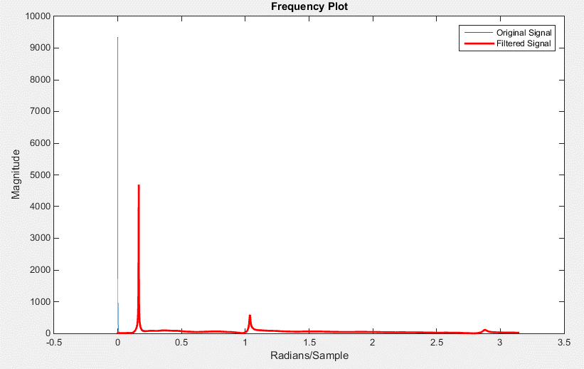
Time | Original | Filtered |  | Time | Filtered Data Shiffted
0 | -33.712494 | 0.35984080638 | 0.045312475 | 0 | -32.681324118
0.00078125001 | -34.225151 | 0.348327998 | 0.046093725 | 0.00078125 | -33.064842352
0.0015625 | 7.7694931 | -0.11895543778 | 0.046874974 | 0.001562499 | 8.9697482685
0.0023437501 | 2.7235224 | -0.066199441371 | 0.047656223 | 0.002343748 | 3.9860976486
Original vs. Filtered
 | Original | Filtered
0 | -33.712494 | 0.35984080638
0.00078125001 | -34.225151 | 0.348327998
0.0015625 | 7.7694931 | -0.11895543778
0.0023437501 | 2.7235224 | -0.066199441371
0.003125 | -0.6242497 | -0.036363974012
0.00390625 | -4.1187825 | -0.0086438058228
0.0046875002 | 1.7260002 | -0.084190745527
0.0054687504 | 4.6843448 | -0.12779568857
0.0062500006 | 13.665208 | -0.2356138311
0.0070312507 | 6.1026659 | -0.16316372884
0.0078125009 | 6.4635744 | -0.17897113183
0.0085937511 | -3.4426811 | -0.08435215967
0.0093750013 | 3.867604 | -0.17724813511
0.010156251 | 2.5058656 | -0.17259813412
0.010937502 | 9.9298067 | -0.26057119234
0.011718752 | 2.0689516 | -0.17928297615
0.012500002 | -4.0832167 | -0.11717399297
0.013281252 | -9.3606224 | -0.064055182852
0.014062502 | -5.0870838 | -0.11206751906
0.014843753 | 2.6060438 | -0.19126618425
0.015625002 | 1.453698 | -0.16904001459
0.016406251 | 4.1952071 | -0.18512525887
0.0171875 | -6.4057217 | -0.053603350423
0.01796875 | -5.3667054 | -0.047385472177
0.018749999 | -9.8298683 | 0.021997509546
0.019531248 | -2.2612233 | -0.035492426071
0.020312497 | -2.6531327 | -0.00092405545173
0.021093747 | -2.1299841 | 0.027026134669
0.021874996 | -7.939074 | 0.12591173297
0.022656245 | -11.982656 | 0.20599104598
0.023437494 | -10.476847 | 0.22722005896
0.024218744 | -8.3850384 | 0.24453116802
0.024999993 | -2.3857021 | 0.2224098962
0.025781242 | -5.8957963 | 0.30603145194
0.026562491 | -6.1676006 | 0.35243769343
0.027343741 | -13.049862 | 0.46905617376
0.02812499 | -8.588479 | 0.4613139823
0.028906239 | -7.3910575 | 0.48923379423
0.029687488 | -0.19452976 | 0.45187319643
0.030468738 | -1.613587 | 0.50784502248
0.031249987 | -3.4949887 | 0.56584530794
0.032031238 | -6.4301872 | 0.63197904857
0.032812487 | -6.3750381 | 0.66257207234
0.033593737 | -0.076969892 | 0.62393033964
0.034374986 | 1.7830387 | 0.63325909497
0.035156235 | 5.9332442 | 0.6164542565
0.035937484 | -0.21792553 | 0.70988247611
0.036718734 | 0.11095428 | 0.72952930144
0.037499983 | -2.9417844 | 0.78482617028
0.038281232 | 3.4837348 | 0.73652432262
...
0.003125 | -0.6242497 | -0.036363974012 | 0.048437472 | 0.003124997 | 0.65295959085
0.00390625 | -4.1187825 | -0.0086438058228 | 0.049218722 | 0.003906247 | -2.7605400055
0.0046875002 | 1.7260002 | -0.084190745527 | 0.049999971 | 0.004687496 | 3.1918282648
0.0054687504 | 4.6843448 | -0.12779568857 | 0.05078122 | 0.005468745 | 6.2704424256
0.0062500006 | 13.665208 | -0.2356138311 | 0.051562469 | 0.006249994 | 15.363216935
0.0070312507 | 6.1026659 | -0.16316372884 | 0.052343719 | 0.007031244 | 7.847944513
0.0078125009 | 6.4635744 | -0.17897113183 | 0.053124968 | 0.007812493 | 8.2850835061
0.0085937511 | -3.4426811 | -0.08435215967 | 0.053906217 | 0.008593742 | -1.5600917743
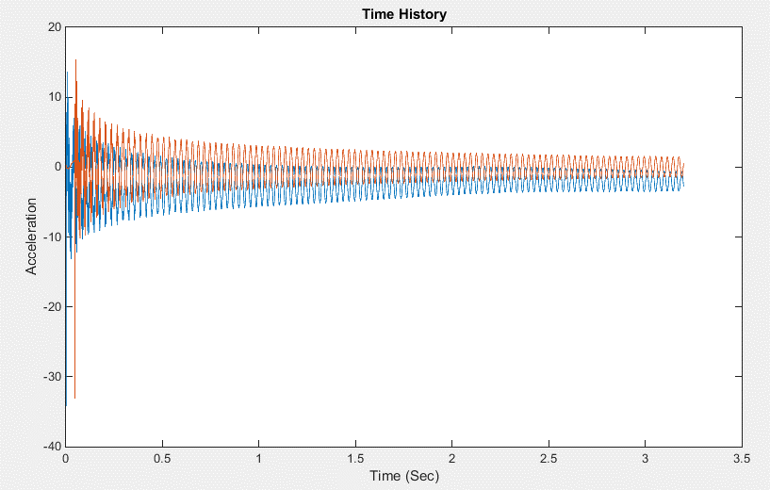
0.0093750013 | 3.867604 | -0.17724813511 | 0.054687466 | 0.009374991 | 5.8960085603
0.010156251 | 2.5058656 | -0.17259813412 | 0.055468716 | 0.010156241 | 4.64364499
0.010937502 | 9.9298067 | -0.26057119234 | 0.056249965 | 0.01093749 | 12.196407928
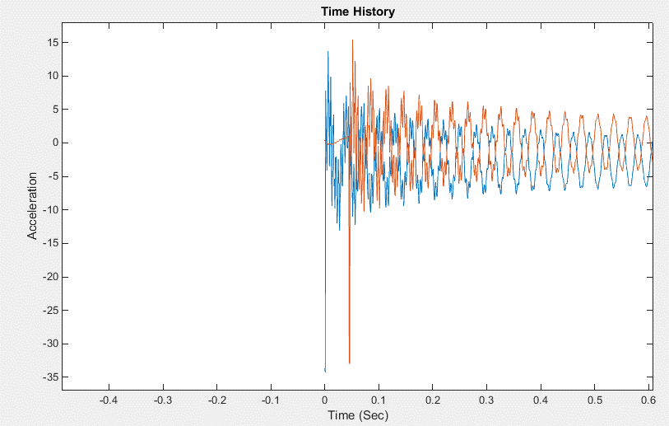
0.011718752 | 2.0689516 | -0.17928297615 | 0.057031214 | 0.011718739 | 4.3822531246
0.012500002 | -4.0832167 | -0.11717399297 | 0.057812463 | 0.012499988 | -1.7037143315
0.013281252 | -9.3606224 | -0.064055182852 | 0.058593713 | 0.013281238 | -6.921850907
0.014062502 | -5.0870838 | -0.11206751906 | 0.059374962 | 0.014062487 | -2.5399259788
0.014843753 | 2.6060438 | -0.19126618425 | 0.060156211 | 0.014843736 | 5.2668343643
0.015625002 | 1.453698 | -0.16904001459 | 0.060937461 | 0.015624986 | 4.1907768589
0.016406251 | 4.1952071 | -0.18512525887 | 0.06171871 | 0.016406235 | 6.984915482
0.0171875 | -6.4057217 | -0.053603350423 | 0.062499959 | 0.017187484 | -3.617250787
0.01796875 | -5.3667054 | -0.047385472177 | 0.063281208 | 0.017968733 | -2.5249295192
0.018749999 | -9.8298683 | 0.021997509546 | 0.064062461 | 0.018749986 | -6.9518333158
0.019531248 | -2.2612233 | -0.035492426071 | 0.064843714 | 0.019531239 | 0.70882985606
0.020312497 | -2.6531327 | -0.00092405545173 | 0.065624967 | 0.020312492 | 0.33771729625
0.021093747 | -2.1299841 | 0.027026134669 | 0.06640622 | 0.021093745 | 0.87541388411
0.021874996 | -7.939074 | 0.12591173297 | 0.067187473 | 0.021874998 | -4.9735091509
0.022656245 | -11.982656 | 0.20599104598 | 0.067968726 | 0.022656251 | -9.0259776435
0.023437494 | -10.476847 | 0.22722005896 | 0.068749979 | 0.023437504 | -7.5085997347
0.024218744 | -8.3850384 | 0.24453116802 | 0.069531232 | 0.024218757 | -5.3962678044
0.024999993 | -2.3857021 | 0.2224098962 | 0.070312485 | 0.02500001 | 0.61342363886
0.025781242 | -5.8957963 | 0.30603145194 | 0.071093738 | 0.025781263 | -2.9464499022
0.026562491 | -6.1676006 | 0.35243769343 | 0.071874991 | 0.026562516 | -3.2631662339
0.027343741 | -13.049862 | 0.46905617376 | 0.072656244 | 0.027343769 | -10.212396056
0.02812499 | -8.588479 | 0.4613139823 | 0.073437497 | 0.028125022 | -5.7498111474
0.028906239 | -7.3910575 | 0.48923379423 | 0.07421875 | 0.028906275 | -4.5720407234
0.029687488 | -0.19452976 | 0.45187319643 | 0.075000003 | 0.029687528 | 2.6254609627
0.030468738 | -1.613587 | 0.50784502248 | 0.075781256 | 0.030468781 | 1.1409779507
0.031249987 | -3.4949887 | 0.56584530794 | 0.076562509 | 0.031250034 | -0.80070687419
0.032031238 | -6.4301872 | 0.63197904857 | 0.077343762 | 0.032031287 | -3.7985513207
0.032812487 | -6.3750381 | 0.66257207234 | 0.078125015 | 0.03281254 | -3.7657922093
0.033593737 | -0.076969892 | 0.62393033964 | 0.078906268 | 0.033593793 | 2.5356138796
0.034374986 | 1.7830387 | 0.63325909497 | 0.079687521 | 0.034375046 | 4.3752487695
0.035156235 | 5.9332442 | 0.6164542565 | 0.080468774 | 0.035156299 | 8.4974656831
0.035937484 | -0.21792553 | 0.70988247611 | 0.081250027 | 0.035937552 | 2.2723333837
0.036718734 | 0.11095428 | 0.72952930144 | 0.08203128 | 0.036718805 | 2.5714911988
0.037499983 | -2.9417844 | 0.78482617028 | 0.082812533 | 0.037500058 | -0.50739646852
0.038281232 | 3.4837348 | 0.73652432262 | 0.083593786 | 0.038281311 | 5.9465376211
0.039062481 | 5.1399288 | 0.74228991188 | 0.084375039 | 0.039062564 | 7.5982838415
0.039843731 | 7.0997963 | 0.74577440426 | 0.085156292 | 0.039843817 | 9.5473262863
0.04062498 | 3.2236586 | 0.81367284659 | 0.085937545 | 0.04062507 | 5.6246791559
0.041406229 | -0.73301482 | 0.88242119446 | 0.086718798 | 0.041406323 | 1.6426854887
0.042187478 | -0.80650765 | 0.91081221542 | 0.087500051 | 0.042187576 | 1.5716915371
0.042968728 | 0.13073173 | 0.93133848577 | 0.088281304 | 0.042968829 | 2.5344730178
0.043749977 | 5.3673277 | 0.90997339267 | 0.089062557 | 0.043750082 | 7.7997991241
0.044531226 | 2.7883124 | 0.97864169946 | 0.08984381 | 0.044531335 | 5.2061307225
0.045312475 | 2.0372956 | -32.681324118 | 0.090625063 | 0.045312588 | 4.8145998077
0.046093725 | -5.4232345 | -33.064842352 | 0.091406316 | 0.046093841 | -2.6582121642
0.046874974 | -4.3459096 | 8.9697482685 | 0.092187569 | 0.046875094 | -2.0092368476
0.047656223 | -4.7870893 | 3.9860976486 | 0.092968822 | 0.047656347 | -2.375644099
0.048437472 | -0.27029762 | 0.65295959085 | 0.093750075 | 0.0484376 | 2.2217710423
0.049218722 | -1.2643536 | -2.7605400055 | 0.094531327 | 0.049218852 | 1.2636156643
0.049999971 | -4.2920709 | 3.1918282648 | 0.09531258 | 0.050000105 | -1.8375600919
0.05078122 | -8.1446018 | 6.2704424256 | 0.096093833 | 0.050781358 | -5.7391682041
0.051562469 | -10.914853 | 15.363216935 | 0.096875086 | 0.051562611 | -8.598396267
0.052343719 | -7.4054537 | 7.847944513 | 0.097656339 | 0.052343864 | -4.9682296474
0.053124968 | -6.1099787 | 8.2850835061 | 0.098437592 | 0.053125117 | -3.6513907472
0.053906217 | -3.1042602 | -1.5600917743 | 0.099218845 | 0.05390637 | -0.52081193176
0.054687466 | -7.708106 | 5.8960085603 | 0.1000001 | 0.054687625 | -5.2325808855
0.055468716 | -9.0182428 | 4.64364499 | 0.10078135 | 0.055468875 | -6.5361101241
0.056249965 | -12.160926 | 12.196407928 | 0.1015626 | 0.056250125 | -9.768740246
0.057031214 | -7.8565888 | 4.3822531246 | 0.10234386 | 0.057031385 | -5.3435762348
0.057812463 | -5.3534002 | -1.7037143315 | 0.10312511 | 0.057812635 | -2.7567028558
0.058593713 | -2.3950646 | -6.921850907 | 0.10390636 | 0.058593885 | 0.26831814596
0.059374962 | -4.2620711 | -2.5399259788 | 0.10468762 | 0.059375145 | -1.6743010688
0.060156211 | -7.158093 | 5.2668343643 | 0.10546887 | 0.060156395 | -4.6814642873
0.060937461 | -7.1984286 | 4.1907768589 | 0.10625012 | 0.060937645 | -4.716428084
0.06171871 | -5.6336012 | 6.984915482 | 0.10703138 | 0.061718905 | -3.1701298231
0.062499959 | 0.36238045 | -3.617250787 | 0.10781263 | 0.062500155 | 2.9657439095
0.063281208 | 0.77662134 | -2.5249295192 | 0.10859388 | 0.063281405 | 3.3560645631
0.064062461 | 2.0127702 | -6.9518333158 | 0.10937513 | 0.064062655 | 4.6221315257
0.064843714 | -2.6641719 | 0.70882985606 | 0.11015639 | 0.064843915 | -0.17954808518
0.065624967 | -1.7033786 | 0.33771729625 | 0.11093764 | 0.065625165 | 0.78355933195
0.06640622 | -1.0536189 | 0.87541388411 | 0.11171889 | 0.066406415 | 1.4327689312
0.067187473 | 3.9428937 | -4.9735091509 | 0.11250015 | 0.067187675 | 6.5183159273
0.067968726 | 5.475616 | -9.0259776435 | 0.1132814 | 0.067968925 | 8.0915398367
0.068749979 | 4.3565531 | -7.5085997347 | 0.11406265 | 0.068750175 | 6.9355133621
0.069531232 | 1.6160275 | -5.3962678044 | 0.1148439 | 0.069531425 | 4.1444776186
0.070312485 | -0.95564723 | 0.61342363886 | 0.11562516 | 0.070312685 | 1.4980206936
0.071093738 | 1.3699788 | -2.9464499022 | 0.11640641 | 0.071093935 | 3.8830801113
0.071874991 | 2.828126 | -3.2631662339 | 0.11718766 | 0.071875185 | 5.3656080005
0.072656244 | 5.9317536 | -10.212396056 | 0.11796892 | 0.072656445 | 8.5602708353
0.073437497 | 2.4214661 | -5.7498111474 | 0.11875017 | 0.073437695 | 4.9809347848
0.07421875 | 0.40133551 | -4.5720407234 | 0.11953142 | 0.074218945 | 2.9357492009
0.075000003 | -3.8233459 | 2.6254609627 | 0.12031268 | 0.075000205 | -1.376537965
0.075781256 | -2.1285377 | 1.1409779507 | 0.12109393 | 0.075781455 | 0.36444707864
0.076562509 | -0.8486293 | -0.80070687419 | 0.12187518 | 0.076562705 | 1.6913399127
0.077343762 | 0.77210391 | -3.7985513207 | 0.12265643 | 0.077343955 | 3.3653051837
0.078125015 | -1.2002739 | -3.7657922093 | 0.12343769 | 0.078125215 | 1.3825866351
0.078906268 | -5.4416585 | 2.5356138796 | 0.12421894 | 0.078906465 | -2.9426006177
0.079687521 | -7.3942437 | 4.3752487695 | 0.12500019 | 0.079687715 | -4.9141955781
0.080468774 | -8.3570747 | 8.4974656831 | 0.12578145 | 0.080468975 | -5.9031736759
0.081250027 | -4.706429 | 2.2723333837 | 0.1265627 | 0.081250225 | -2.1486835351
0.08203128 | -4.6083279 | 2.5714911988 | 0.12734395 | 0.082031475 | -2.0435130029
0.082812533 | -4.4488678 | -0.50739646852 | 0.12812521 | 0.082812735 | -1.8514685883
0.083593786 | -8.936511 | 5.9465376211 | 0.12890646 | 0.083593985 | -6.434329871
0.084375039 | -10.121035 | 7.5982838415 | 0.12968771 | 0.084375235 | -7.63686765
0.085156292 | -10.319387 | 9.5473262863 | 0.13046896 | 0.085156485 | -7.8464457608
0.085937545 | -6.7848687 | 5.6246791559 | 0.13125022 | 0.085937745 | -4.2405457811
0.086718798 | -4.7135916 | 1.6426854887 | 0.13203147 | 0.086718995 | -2.1178745697
0.087500051 | -4.8349371 | 1.5716915371 | 0.13281272 | 0.087500245 | -2.2498757565
0.088281304 | -6.8504615 | 2.5344730178 | 0.13359398 | 0.088281505 | -4.301136806
0.089062557 | -9.0189781 | 7.7997991241 | 0.13437523 | 0.089062755 | -6.5435225369
0.08984381 | -7.0641165 | 5.2061307225 | 0.13515648 | 0.089844005 | -4.5509111267
0.090625063 | -4.6909981 | 4.8145998077 | 0.13593774 | 0.090625265 | -2.1566987318
0.091406316 | -0.43390694 | -2.6582121642 | 0.13671899 | 0.091406515 | 2.1929704861
0.092187569 | -1.2228907 | -2.0092368476 | 0.13750024 | 0.092187765 | 1.3692416632
0.092968822 | -1.7483553 | -2.375644099 | 0.13828149 | 0.092969015 | 0.82466263396
0.093750075 | -4.2710519 | 2.2217710423 | 0.13906275 | 0.093750275 | -1.7728020431
0.094531327 | -2.3571181 | 1.2636156643 | 0.139844 | 0.094531525 | 0.15832147671
0.09531258 | 0.29684401 | -1.8375600919 | 0.14062525 | 0.095312775 | 2.8567390023
0.096093833 | 3.5026362 | -5.7391682041 | 0.14140651 | 0.096094035 | 6.1127470447
0.096875086 | 4.0506091 | -8.598396267 | 0.14218776 | 0.096875285 | 6.6759755342
0.097656339 | 1.7030762 | -4.9682296474 | 0.14296901 | 0.097656535 | 4.2625803886
0.098437592 | 0.38397372 | -3.6513907472 | 0.14375027 | 0.098437795 | 2.9135354584
0.099218845 | -0.21860214 | -0.52081193176 | 0.14453152 | 0.099219045 | 2.2794080926
0.1000001 | 3.112462 | -5.2325808855 | 0.14531277 | 0.100000295 | 5.6831416477
0.10078135 | 4.3162975 | -6.5361101241 | 0.14609402 | 0.100781545 | 6.9102446713
0.1015626 | 5.1710086 | -9.768740246 | 0.14687528 | 0.101562805 | 7.7969230078
0.10234386 | 1.6490926 | -5.3435762348 | 0.14765653 | 0.102344055 | 4.2047125141
0.10312511 | -0.30155709 | -2.7567028558 | 0.14843778 | 0.103125305 | 2.2191005513
0.10390636 | -1.6548299 | 0.26831814596 | 0.14921904 | 0.103906565 | 0.84047990322
0.10468762 | 0.294415 | -1.6743010688 | 0.15000029 | 0.104687815 | 2.8387252038
0.10546887 | 1.7131321 | -4.6814642873 | 0.15078154 | 0.105469065 | 4.3082163895
0.10625012 | 1.0470874 | -4.716428084 | 0.1515628 | 0.106250325 | 3.6449348926
0.10703138 | -1.5470839 | -3.1701298231 | 0.15234405 | 0.107031575 | 1.0216963317
0.10781263 | -5.3364134 | 2.9657439095 | 0.1531253 | 0.107812825 | -2.8415965466
0.10859388 | -5.6777472 | 3.3560645631 | 0.15390655 | 0.108594075 | -3.1719792217
0.10937513 | -5.3350906 | 4.6221315257 | 0.15468781 | 0.109375335 | -2.8186346545
0.11015639 | -2.8033137 | -0.17954808518 | 0.15546906 | 0.110156585 | -0.20851443819
0.11093764 | -3.9599545 | 0.78355933195 | 0.15625031 | 0.110937835 | -1.3759408143
0.11171889 | -5.7083874 | 1.4327689312 | 0.15703157 | 0.111719095 | -3.1392841593
0.11250015 | -9.1603928 | 6.5183159273 | 0.15781282 | 0.112500345 | -6.6583096908
0.1132814 | -9.6078844 | 8.0915398367 | 0.15859407 | 0.113281595 | -7.1115551327
0.11406265 | -8.2077513 | 6.9355133621 | 0.15937532 | 0.114062845 | -5.6781444969
0.1148439 | -5.9002576 | 4.1444776186 | 0.16015658 | 0.114844105 | -3.3204335559
0.11562516 | -5.1405983 | 1.4980206936 | 0.16093783 | 0.115625355 | -2.532825754
0.11640641 | -6.9868412 | 3.8830801113 | 0.16171908 | 0.116406605 | -4.4220206326
0.11718766 | -8.6212177 | 5.3656080005 | 0.16250034 | 0.117187865 | -6.087118193
0.11796892 | -9.4018183 | 8.5602708353 | 0.16328159 | 0.117969115 | -6.9037620555
0.11875017 | -6.5464377 | 4.9809347848 | 0.16406284 | 0.118750365 | -3.9927582516
0.11953142 | -4.2500472 | 2.9357492009 | 0.1648441 | 0.119531625 | -1.6652965021
0.12031268 | -2.1390152 | -1.376537965 | 0.16562535 | 0.120312875 | 0.4896352645
0.12109393 | -3.633863 | 0.36444707864 | 0.1664066 | 0.121094125 | -1.0492278896
0.12187518 | -4.6269665 | 1.6913399127 | 0.16718785 | 0.121875375 | -2.0755503186
0.12265643 | -4.9972868 | 3.3653051837 | 0.16796911 | 0.122656635 | -2.4718712176
0.12343769 | -2.3916571 | 1.3825866351 | 0.16875036 | 0.123437885 | 0.16625029029
0.12421894 | 0.67634207 | -2.9426006177 | 0.16953161 | 0.124219135 | 3.2891315477
0.12500019 | 2.1242247 | -4.9141955781 | 0.17031287 | 0.125000395 | 4.751401334
0.12578145 | 1.7256639 | -5.9031736759 | 0.17109412 | 0.125781645 | 4.3422783664
0.1265627 | -0.41807008 | -2.1486835351 | 0.17187537 | 0.126562895 | 2.1352577897
0.12734395 | -0.26954049 | -2.0435130029 | 0.17265663 | 0.127344155 | 2.2787701743
0.12812521 | 0.83039027 | -1.8514685883 | 0.17343788 | 0.128125405 | 3.3854897857
0.12890646 | 3.9606168 | -6.434329871 | 0.17421913 | 0.128906655 | 6.5802638887
0.12968771 | 4.4699712 | -7.63686765 | 0.17500038 | 0.129687905 | 7.0992779059
0.13046896 | 3.7179251 | -7.8464457608 | 0.17578164 | 0.130469165 | 6.3358221048
0.13125022 | 0.9471097 | -4.2405457811 | 0.17656289 | 0.131250415 | 3.5078450098
0.13203147 | -0.077920698 | -2.1178745697 | 0.17734414 | 0.132031665 | 2.4609939002
0.13281272 | 0.53613037 | -2.2498757565 | 0.1781254 | 0.132812925 | 3.092191253
0.13359398 | 2.2524862 | -4.301136806 | 0.17890665 | 0.133594175 | 4.851537012
0.13437523 | 2.8718226 | -6.5435225369 | 0.1796879 | 0.134375425 | 5.5023528586
0.13515648 | 0.81819302 | -4.5509111267 | 0.18046916 | 0.135156685 | 3.4189214819
0.13593774 | -1.7284961 | -2.1566987318 | 0.18125041 | 0.135937935 | 0.83752527549
0.13671899 | -4.1553531 | 2.1929704861 | 0.18203166 | 0.136719185 | -1.633705385
0.13750024 | -3.4395473 | 1.3692416632 | 0.18281291 | 0.137500435 | -0.88640119753
0.13828149 | -2.6442904 | 0.82466263396 | 0.18359417 | 0.138281695 | -0.063170867663
0.13906275 | -1.760458 | -1.7728020431 | 0.18437542 | 0.139062945 | 0.86249666005
0.139844 | -3.84782 | 0.15832147671 | 0.18515667 | 0.139844195 | -1.2521559504
0.14062525 | -6.337914 | 2.8567390023 | 0.18593793 | 0.140625455 | -3.7783731432
0.14140651 | -8.3665266 | 6.1127470447 | 0.18671918 | 0.141406705 | -5.8406600405
0.14218776 | -8.0132933 | 6.6759755342 | 0.18750043 | 0.142187955 | -5.4746558507
0.14296901 | -6.2975678 | 4.2625803886 | 0.18828169 | 0.142969215 | -3.711962196
0.14375027 | -5.493444 | 2.9135354584 | 0.18906294 | 0.143750465 | -2.8841208381
0.14453152 | -6.1243606 | 2.2794080926 | 0.18984419 | 0.144531715 | -3.5149628706
0.14531277 | -8.4843197 | 5.6831416477 | 0.19062544 | 0.145312965 | -5.9262375314
0.14609402 | -9.3200274 | 6.9102446713 | 0.1914067 | 0.146094225 | -6.7779455256
0.14687528 | -8.7785501 | 7.7969230078 | 0.19218795 | 0.146875475 | -6.237278718
0.14765653 | -6.0317736 | 4.2047125141 | 0.1929692 | 0.147656725 | -3.4356678024
0.14843778 | -4.5417013 | 2.2191005513 | 0.19375046 | 0.148437985 | -1.9228577258
0.14921904 | -4.2632408 | 0.84047990322 | 0.19453171 | 0.149219235 | -1.6417584727
0.15000029 | -5.841876 | 2.8387252038 | 0.19531296 | 0.150000485 | -3.2635569788
0.15078154 | -6.3453574 | 4.3082163895 | 0.19609421 | 0.150781735 | -3.7931328081
0.1515628 | -5.1060424 | 3.6449348926 | 0.19687547 | 0.151562995 | -2.543633988
0.15234405 | -2.4103339 | 1.0216963317 | 0.19765672 | 0.152344245 | 0.18970862444
0.1531253 | -0.038604744 | -2.8415965466 | 0.19843797 | 0.153125495 | 2.6025869024
0.15390655 | 0.064109534 | -3.1719792217 | 0.19921923 | 0.153906755 | 2.6918290369
0.15468781 | -0.7225197 | -2.8186346545 | 0.20000048 | 0.154688005 | 1.8797820169
0.15546906 | -1.8287462 | -0.20851443819 | 0.20078173 | 0.155469255 | 0.73048193341
0.15625031 | -0.43324688 | -1.3759408143 | 0.20156299 | 0.156250515 | 2.1422513371
0.15703157 | 1.558556 | -3.1392841593 | 0.20234424 | 0.157031765 | 4.1614774309
0.15781282 | 3.7763093 | -6.6583096908 | 0.20312549 | 0.157813015 | 6.4206828068
0.15859407 | 3.5543847 | -7.1115551327 | 0.20390674 | 0.158594265 | 6.190510275
0.15937532 | 2.1431973 | -5.6781444969 | 0.204688 | 0.159375525 | 4.7462609967
0.16015658 | 0.58622545 | -3.3204335559 | 0.20546925 | 0.160156775 | 3.1533637665
0.16093783 | 0.74829328 | -2.532825754 | 0.2062505 | 0.160938025 | 3.3136316871
0.16171908 | 2.3114154 | -4.4220206326 | 0.20703176 | 0.161719285 | 4.9125053123
0.16250034 | 3.36924 | -6.087118193 | 0.20781301 | 0.162500535 | 5.9978446882
0.16328159 | 2.9554143 | -6.9037620555 | 0.20859426 | 0.163281785 | 5.5891236075
0.16406284 | 0.49827412 | -3.9927582516 | 0.20937552 | 0.164063045 | 3.0890229689
0.1648441 | -1.3681263 | -1.6652965021 | 0.21015677 | 0.164844295 | 1.194842494
0.16562535 | -2.2842634 | 0.4896352645 | 0.21093802 | 0.165625545 | 0.26647864338
0.1664066 | -1.1325369 | -1.0492278896 | 0.21171927 | 0.166406795 | 1.4572675389
0.16718785 | -0.66866565 | -2.0755503186 | 0.21250053 | 0.167188055 | 1.9467171062
0.16796911 | -1.3287328 | -2.4718712176 | 0.21328178 | 0.167969305 | 1.2935928064
0.16875036 | -3.8334501 | 0.16625029029 | 0.21406303 | 0.168750555 | -1.24747679
0.16953161 | -6.0682802 | 3.2891315477 | 0.21484429 | 0.169531815 | -3.5165613921
0.17031287 | -6.7522078 | 4.751401334 | 0.21562554 | 0.170313065 | -4.203889329
0.17109412 | -5.9700265 | 4.3422783664 | 0.21640679 | 0.171094315 | -3.3965116629
0.17187537 | -4.8548603 | 2.1352577897 | 0.21718805 | 0.171875575 | -2.2418848333
0.17265663 | -5.4262309 | 2.2787701743 | 0.2179693 | 0.172656825 | -2.8145343958
0.17343788 | -7.0111699 | 3.3854897857 | 0.21875055 | 0.173438075 | -4.4194274255
0.17421913 | -9.0146255 | 6.5802638887 | 0.2195318 | 0.174219325 | -6.4634388627
0.17500038 | -8.992672 | 7.0992779059 | 0.22031306 | 0.175000585 | -6.439389032
0.17578164 | -7.7286949 | 6.3358221048 | 0.22109431 | 0.175781835 | -5.1529953689
0.17656289 | -5.7691183 | 3.5078450098 | 0.22187556 | 0.176563085 | -3.1522059594
0.17734414 | -5.4187121 | 2.4609939002 | 0.22265682 | 0.177344345 | -2.7959038893
0.1781254 | -6.2770448 | 3.092191253 | 0.22343807 | 0.178125595 | -3.6759159254
0.17890665 | -7.4015231 | 4.851537012 | 0.22421932 | 0.178906845 | -4.8327668312
0.1796879 | -7.0571842 | 5.5023528586 | 0.22500058 | 0.179688105 | -4.4960965436
0.18046916 | -5.0039325 | 3.4189214819 | 0.22578183 | 0.180469355 | -2.4123077721
0.18125041 | -2.7829289 | 0.83752527549 | 0.22656308 | 0.181250605 | -0.15937873658
0.18203166 | -1.5333165 | -1.633705385 | 0.22734433 | 0.182031855 | 1.1081859161
0.18281291 | -2.1892653 | -0.88640119753 | 0.22812559 | 0.182813115 | 0.42417945159
0.18359417 | -2.7694147 | -0.063170867663 | 0.22890684 | 0.183594365 | -0.18151928692
0.18437542 | -2.5800419 | 0.86249666005 | 0.22968809 | 0.184375615 | -0.0078556523727
0.18515667 | -0.48702037 | -1.2521559504 | 0.23046935 | 0.185156875 | 2.1140653316
0.18593793 | 1.5806624 | -3.7783731432 | 0.2312506 | 0.185938125 | 4.2118635629
0.18671918 | 2.6888847 | -5.8406600405 | 0.23203185 | 0.186719375 | 5.3352406412
0.18750043 | 1.968124 | -5.4746558507 | 0.2328131 | 0.187500625 | 4.5929386295
0.18828169 | 0.82118481 | -3.711962196 | 0.23359436 | 0.188281885 | 3.4120687805
0.18906294 | 0.61656797 | -2.8841208381 | 0.23437561 | 0.189063135 | 3.1957907236
0.18984419 | 1.7037371 | -3.5149628706 | 0.23515686 | 0.189844385 | 4.2984346282
0.19062544 | 3.3328805 | -5.9262375314 | 0.23593812 | 0.190625645 | 5.9626467513
0.1914067 | 3.5634537 | -6.7779455256 | 0.23671937 | 0.191406895 | 6.2009322636
0.19218795 | 2.4472055 | -6.237278718 | 0.23750062 | 0.192188145 | 5.0688299868
0.1929692 | 0.36988732 | -3.4356678024 | 0.23828188 | 0.192969405 | 2.9519187925
0.19375046 | -0.50172687 | -1.9228577258 | 0.23906313 | 0.193750655 | 2.0680139526
0.19453171 | -0.26170132 | -1.6417584727 | 0.23984438 | 0.194531905 | 2.319571087
0.19531296 | 0.71909189 | -3.2635569788 | 0.24062563 | 0.195313155 | 3.3340853132
0.19609421 | 0.47295457 | -3.7931328081 | 0.24140689 | 0.196094415 | 3.0992748256
0.19687547 | -1.1767544 | -2.543633988 | 0.24218814 | 0.196875665 | 1.4321834826
0.19765672 | -3.5039194 | 0.18970862444 | 0.24296939 | 0.197656915 | -0.92871577053
0.19843797 | -4.935019 | 2.6025869024 | 0.24375065 | 0.198438175 | -2.3790805587
0.19921923 | -4.742949 | 2.6918290369 | 0.2445319 | 0.199219425 | -2.1701119022
0.20000048 | -4.0723462 | 1.8797820169 | 0.24531315 | 0.200000675 | -1.4729165717
0.20078173 | -3.9377682 | 0.73048193341 | 0.24609441 | 0.200781935 | -1.3177871021
0.20156299 | -5.4952583 | 2.1422513371 | 0.24687566 | 0.201563185 | -2.8944323168
0.20234424 | -7.3526764 | 4.1614774309 | 0.24765691 | 0.202344435 | -4.7784361783
0.20312549 | -8.5715837 | 6.4206828068 | 0.24843816 | 0.203125685 | -6.0186338227
0.20390674 | -7.9737492 | 6.190510275 | 0.24921942 | 0.203906945 | -5.403959825
0.204688 | -6.7110906 | 4.7462609967 | 0.25000066 | 0.204688185 | -4.1118855219
0.20546925 | -5.8994069 | 3.1533637665 | 0.25078189 | 0.205469415 | -3.2784977582
0.2062505 | -6.4959774 | 3.3136316871 | 0.25156313 | 0.206250655 | -3.8851747914
0.20703176 | -7.7120733 | 4.9125053123 | 0.25234437 | 0.207031895 | -5.1296966743
0.20781301 | -8.1227007 | 5.9978446882 | 0.25312561 | 0.207813135 | -5.5556702676
0.20859426 | -7.0511727 | 5.5891236075 | 0.25390685 | 0.208594375 | -4.4734627268
0.20937552 | -4.9924059 | 3.0890229689 | 0.25468808 | 0.209375605 | -2.3799694269
0.21015677 | -3.625948 | 1.194842494 | 0.25546932 | 0.210156845 | -0.99511995705
0.21093802 | -3.4184086 | 0.26647864338 | 0.25625056 | 0.210938085 | -0.79059672649
0.21171927 | -4.2187848 | 1.4572675389 | 0.2570318 | 0.211719325 | -1.6209928943
0.21250053 | -4.1743069 | 1.9467171062 | 0.25781304 | 0.212500565 | -1.5902731721
0.21328178 | -2.9456296 | 1.2935928064 | 0.25859427 | 0.213281795 | -0.35350302645
0.21406303 | -0.69379658 | -1.24747679 | 0.25937551 | 0.214063035 | 1.9300178081
0.21484429 | 0.83097839 | -3.5165613921 | 0.26015675 | 0.214844275 | 3.4755231391
0.21562554 | 1.0170525 | -4.203889329 | 0.26093799 | 0.215625515 | 3.6549900308
0.21640679 | 0.28505659 | -3.3965116629 | 0.26171923 | 0.216406755 | 2.8976713779
0.21718805 | -0.11821699 | -2.2418848333 | 0.26250046 | 0.217187985 | 2.4734560199
0.2179693 | 0.80467516 | -2.8145343958 | 0.2632817 | 0.217969225 | 3.4050604519
0.21875055 | 2.3266206 | -4.4194274255 | 0.26406294 | 0.218750465 | 4.951023136
0.2195318 | 3.4626434 | -6.4634388627 | 0.26484418 | 0.219531705 | 6.1099885926
0.22031306 | 3.0269876 | -6.439389032 | 0.26562542 | 0.220312945 | 5.6648414558
0.22109431 | 1.7238925 | -5.1529953689 | 0.26640666 | 0.221094185 | 4.3366731484
0.22187556 | 0.50601119 | -3.1522059594 | 0.26718789 | 0.221875415 | 3.0932420988
0.22265682 | 0.60806644 | -2.7959038893 | 0.26796913 | 0.222656655 | 3.1998949985
0.22343807 | 1.4127417 | -3.6759159254 | 0.26875037 | 0.223437895 | 4.0270968261
0.22421932 | 1.8750584 | -4.8327668312 | 0.26953161 | 0.224219135 | 4.5101889036
0.22500058 | 0.93259126 | -4.4960965436 | 0.27031285 | 0.225000375 | 3.5621596316
0.22578183 | -1.0211873 | -2.4123077721 | 0.27109408 | 0.225781605 | 1.5808060449
0.22656308 | -2.7124109 | -0.15937873658 | 0.27187532 | 0.226562845 | -0.13294568416
0.22734433 | -3.2697127 | 1.1081859161 | 0.27265656 | 0.227344085 | -0.69180124778
0.22812559 | -2.7682638 | 0.42417945159 | 0.2734378 | 0.228125325 | -0.16543810791
0.22890684 | -2.6033847 | -0.18151928692 | 0.27421904 | 0.228906565 | 0.017658367442
0.22968809 | -3.4565945 | -0.0078556523727 | 0.27500027 | 0.229687795 | -0.83538911585
0.23046935 | -5.3998237 | 2.1140653316 | 0.27578151 | 0.230469035 | -2.8051572303
0.2312506 | -6.9353046 | 4.2118635629 | 0.27656275 | 0.231250275 | -4.3617723678
0.23203185 | -7.3776116 | 5.3352406412 | 0.27734399 | 0.232031515 | -4.8055903757
0.2328131 | -6.6372466 | 4.5929386295 | 0.27812523 | 0.232812755 | -4.0418329094
0.23359436 | -5.9530931 | 3.4120687805 | 0.27890646 | 0.233593985 | -3.3352639448
0.23437561 | -6.2399888 | 3.1957907236 | 0.2796877 | 0.234375225 | -3.6205958512
0.23515686 | -7.3986983 | 4.2984346282 | 0.28046894 | 0.235156465 | -4.7984463226
0.23593812 | -8.3809204 | 5.9626467513 | 0.28125018 | 0.235937705 | -5.8028331617
0.23671937 | -8.1000843 | 6.2009322636 | 0.28203142 | 0.236718945 | -5.5202546117
0.23750062 | -6.7676992 | 5.0688299868 | 0.28281265 | 0.237500175 | -4.1671517207
0.23828188 | -5.2579994 | 2.9519187925 | 0.28359389 | 0.238281415 | -2.6306261943
0.23906313 | -4.840291 | 2.0680139526 | 0.28437513 | 0.239062655 | -2.2105900304
0.23984438 | -5.2540541 | 2.319571087 | 0.28515637 | 0.239843895 | -2.640287148
0.24062563 | -5.6802793 | 3.3340853132 | 0.28593761 | 0.240625135 | -3.0880093238
0.24140689 | -4.9537802 | 3.0992748256 | 0.28671885 | 0.241406375 | -2.3604185185
0.24218814 | -3.2068408 | 1.4321834826 | 0.28750008 | 0.242187605 | -0.59209295409
0.24296939 | -1.3643756 | -0.92871577053 | 0.28828132 | 0.242968845 | 1.2755299674
0.24375065 | -0.55308998 | -2.3790805587 | 0.28906256 | 0.243750085 | 2.0926226119
0.2445319 | -0.84404927 | -2.1701119022 | 0.2898438 | 0.244531325 | 1.7834054484
0.24531315 | -1.1875046 | -1.4729165717 | 0.29062504 | 0.245312565 | 1.4200207863
0.24609441 | -0.70030075 | -1.3177871021 | 0.29140627 | 0.246093795 | 1.9023957063
0.24687566 | 0.84198952 | -2.8944323168 | 0.29218751 | 0.246875035 | 3.4657955013
0.24765691 | 2.3156009 | -4.7784361783 | 0.29296875 | 0.247656275 | 4.9611043926
0.24843816 | 2.8565369 | -6.0186338227 | 0.29374999 | 0.248437515 | 5.5089790701
0.24921942 | 2.1003606 | -5.403959825 | 0.29453123 | 0.249218755 | 4.733969436
0.25000066 | 1.1664863 | -4.1118855219 | 0.29531246 | 0.249999985 | 3.7771650671
0.25078189 | 0.90206695 | -3.2784977582 | 0.2960937 | 0.250781225 | 3.5046316695
0.25156313 | 1.6504081 | -3.8851747914 | 0.29687494 | 0.251562465 | 4.2684249348
0.25234437 | 2.4519475 | -5.1296966743 | 0.29765618 | 0.252343705 | 5.0912908718
0.25312561 | 2.3046832 | -5.5556702676 | 0.29843742 | 0.253124945 | 4.948963909
0.25390685 | 0.99635363 | -4.4734627268 | 0.29921865 | 0.253906175 | 3.6237077356
0.25468808 | -0.65743065 | -2.3799694269 | 0.29999989 | 0.254687415 | 1.9446802921
0.25546932 | -1.5266868 | -0.99511995705 | 0.30078113 | 0.255468655 | 1.0672844118
0.25625056 | -1.4705906 | -0.79059672649 | 0.30156237 | 0.256249895 | 1.135379058
0.2570318 | -1.10157 | -1.6209928943 | 0.30234361 | 0.257031135 | 1.526895644
0.25781304 | -1.6359656 | -1.5902731721 | 0.30312485 | 0.257812375 | 0.99744999354
0.25859427 | -3.1186278 | -0.35350302645 | 0.30390608 | 0.258593605 | -0.49949532427
0.25937551 | -4.9156361 | 1.9300178081 | 0.30468732 | 0.259374845 | -2.3209860904
0.26015675 | -5.8941307 | 3.4755231391 | 0.30546856 | 0.260156085 | -3.3080311708
0.26093799 | -5.7952485 | 3.6549900308 | 0.3062498 | 0.260937325 | -3.1967643816
0.26171923 | -5.3236113 | 2.8976713779 | 0.30703104 | 0.261718565 | -2.7038677937
0.26250046 | -5.4782553 | 2.4734560199 | 0.30781227 | 0.262499795 | -2.8491095653
0.2632817 | -6.5343556 | 3.4050604519 | 0.30859351 | 0.263281035 | -3.9180985647
0.26406294 | -7.7967896 | 4.951023136 | 0.30937475 | 0.264062275 | -5.1999862363
0.26484418 | -8.2981367 | 6.1099885926 | 0.31015599 | 0.264843515 | -5.7105160581
0.26562542 | -7.5895977 | 5.6648414558 | 0.31093723 | 0.265624755 | -4.9876344617
0.26640666 | -6.4590402 | 4.3366731484 | 0.31171846 | 0.266405985 | -3.8349877895
0.26718789 | -5.7893858 | 3.0932420988 | 0.3124997 | 0.267187225 | -3.1523510422
0.26796913 | -6.1009202 | 3.1998949985 | 0.31328094 | 0.267968465 | -3.4739603069
0.26875037 | -6.6545439 | 4.0270968261 | 0.31406218 | 0.268749705 | -4.0462169077
0.26953161 | -6.5658011 | 4.5101889036 | 0.31484342 | 0.269530945 | -3.9663045927
0.27031285 | -5.3248601 | 3.5621596316 | 0.31562465 | 0.270312175 | -2.7122097727
0.27109408 | -3.6275675 | 1.5808060449 | 0.31640589 | 0.271093415 | -0.9912312517
0.27187532 | -2.4850302 | -0.13294568416 | 0.31718713 | 0.271874655 | 0.16465846478
0.27265656 | -2.2680051 | -0.69180124778 | 0.31796837 | 0.272655895 | 0.37485895003
0.2734378 | -2.5499551 | -0.16543810791 | 0.31874961 | 0.273437135 | 0.073202462088
0.27421904 | -2.2691505 | 0.017658367442 | 0.31953084 | 0.274218365 | 0.34489824564
0.27500027 | -1.0983423 | -0.83538911585 | 0.32031208 | 0.274999605 | 1.5249238612
0.27578151 | 0.55791658 | -2.8051572303 | 0.32109332 | 0.275780845 | 3.2038425855
0.27656275 | 1.6116245 | -4.3617723678 | 0.32187456 | 0.276562085 | 4.2695723914
0.27734399 | 1.6472123 | -4.8055903757 | 0.3226558 | 0.277343325 | 4.2988015541
0.27812523 | 1.0475463 | -4.0418329094 | 0.32343704 | 0.278124565 | 3.6790235864
0.27890646 | 0.80137378 | -3.3352639448 | 0.32421827 | 0.278905795 | 3.4202208984
0.2796877 | 1.3595911 | -3.6205958512 | 0.32499951 | 0.279687035 | 3.9845761851
0.28046894 | 2.3268919 | -4.7984463226 | 0.32578075 | 0.280468275 | 4.9701096893
0.28125018 | 2.7839935 | -5.8028331617 | 0.32656199 | 0.281249515 | 5.4389266156
0.28203142 | 2.1869106 | -5.5202546117 | 0.32734323 | 0.282030755 | 4.833479877
0.28281265 | 0.96161318 | -4.1671517207 | 0.32812446 | 0.282811985 | 3.5877207396
0.28359389 | -0.045434117 | -2.6306261943 | 0.3289057 | 0.283593225 | 2.5650485205
0.28437513 | -0.16101938 | -2.2105900304 | 0.32968694 | 0.284374465 | 2.4543146615
0.28515637 | 0.13953888 | -2.640287148 | 0.33046818 | 0.285155705 | 2.7712400391
0.28593761 | 0.049101241 | -3.0880093238 | 0.33124942 | 0.285936945 | 2.6927647761
0.28671885 | -1.0351777 | -2.3604185185 | 0.33203065 | 0.286718175 | 1.6011176878
0.28750008 | -2.6726191 | -0.59209295409 | 0.33281189 | 0.287499415 | -0.056193367921
0.28828132 | -4.0013089 | 1.2755299674 | 0.33359313 | 0.288280655 | -1.4005201377
0.28906256 | -4.4173365 | 2.0926226119 | 0.33437437 | 0.289061895 | -1.813276966
0.2898438 | -4.1997147 | 1.7834054484 | 0.33515561 | 0.289843135 | -1.5780200859
0.29062504 | -4.2578244 | 1.4200207863 | 0.33593684 | 0.290624365 | -1.6233116791
0.29140627 | -5.1045561 | 1.9023957063 | 0.33671808 | 0.291405605 | -2.4738404392
0.29218751 | -6.5284996 | 3.4657955013 | 0.33749932 | 0.292186845 | -3.9163414541
0.29296875 | -7.5331435 | 4.9611043926 | 0.33828056 | 0.292968085 | -4.9346641989
0.29374999 | -7.6034126 | 5.5089790701 | 0.3390618 | 0.293749325 | -5.0021172833
0.29453123 | -6.9054604 | 4.733969436 | 0.33984303 | 0.294530555 | -4.2848866189
0.29531246 | -6.2982612 | 3.7771650671 | 0.34062427 | 0.295311795 | -3.6619403181
0.2960937 | -6.4155707 | 3.5046316695 | 0.34140551 | 0.296093035 | -3.7792121431
0.29687494 | -7.0885501 | 4.2684249348 | 0.34218675 | 0.296874275 | -4.467356213
0.29765618 | -7.4508023 | 5.0912908718 | 0.34296799 | 0.297655515 | -4.8424712533
0.29843742 | -6.8728805 | 4.948963909 | 0.34374923 | 0.298436755 | -4.26094206
0.29921865 | -5.5561719 | 3.6237077356 | 0.34453046 | 0.299217985 | -2.9257298996
0.29999989 | -4.3060331 | 1.9446802921 | 0.3453117 | 0.299999225 | -1.6579463228
0.30078113 | -3.8218277 | 1.0672844118 | 0.34609294 | 0.300780465 | -1.1723431459
0.30156237 | -3.9351199 | 1.135379058 | 0.34687418 | 0.301561705 | -1.2983294427
0.30234361 | -3.9079673 | 1.526895644 | 0.34765542 | 0.302342945 | -1.2844991891
0.30312485 | -3.0318792 | 0.99744999354 | 0.34843665 | 0.303124175 | -0.40518485696
0.30390608 | -1.5365134 | -0.49949532427 | 0.34921789 | 0.303905415 | 1.1069312675
0.30468732 | -0.16087613 | -2.3209860904 | 0.34999913 | 0.304686655 | 2.4993729441
0.30546856 | 0.38825545 | -3.3080311708 | 0.35078037 | 0.305467895 | 3.0498307669
0.3062498 | 0.2405858 | -3.1967643816 | 0.35156161 | 0.306249135 | 2.8886345405
0.30703104 | 0.082362622 | -2.7038677937 | 0.35234284 | 0.307030365 | 2.7165329868
0.30781227 | 0.5660826 | -2.8491095653 | 0.35312408 | 0.307811605 | 3.2004572927
0.30859351 | 1.6182588 | -3.9180985647 | 0.35390532 | 0.308592845 | 4.2670424674
0.30937475 | 2.4730639 | -5.1999862363 | 0.35468656 | 0.309374085 | 5.1360548405
0.31015599 | 2.5307117 | -5.7105160581 | 0.3554678 | 0.310155325 | 5.1941248173
0.31093723 | 1.7598518 | -4.9876344617 | 0.35624903 | 0.310936555 | 4.4077532304
0.31171846 | 0.93110102 | -3.8349877895 | 0.35703027 | 0.311717795 | 3.5626282547
0.3124997 | 0.66792369 | -3.1523510422 | 0.35781151 | 0.312499035 | 3.2957051874
0.31328094 | 1.0183078 | -3.4739603069 | 0.35859275 | 0.313280275 | 3.6582119501
0.31406218 | 1.2529402 | -4.0462169077 | 0.35937399 | 0.314061515 | 3.9063117683
0.31484342 | 0.72528625 | -3.9663045927 | 0.36015522 | 0.314842745 | 3.3794015922
0.31562465 | -0.59218806 | -2.7122097727 | 0.36093646 | 0.315623985 | 2.0465664303
0.31640589 | -1.9835261 | -0.9912312517 | 0.3617177 | 0.316405225 | 0.63817732984
0.31718713 | -2.7514668 | 0.16465846478 | 0.36249894 | 0.317186465 | -0.13407489872
0.31796837 | -2.8325026 | 0.37485895003 | 0.36328018 | 0.317967705 | -0.20478553389
0.31874961 | -2.8154943 | 0.073202462088 | 0.36406142 | 0.318748945 | -0.17370551154
0.31953084 | -3.4491832 | 0.34489824564 | 0.36484265 | 0.319530175 | -0.80554678556
0.32031208 | -4.7261701 | 1.5249238612 | 0.36562389 | 0.320311415 | -2.0947410874
0.32109332 | -6.0634031 | 3.2038425855 | 0.36640513 | 0.321092655 | -3.4484985631
0.32187456 | -6.691781 | 4.2695723914 | 0.36718637 | 0.321873895 | -4.081074531
0.3226558 | -6.5575376 | 4.2988015541 | 0.36796761 | 0.322655135 | -3.9361643646
0.32343704 | -6.1764774 | 3.6790235864 | 0.36874884 | 0.323436365 | -3.5395724692
0.32421827 | -6.2648797 | 3.4202208984 | 0.36953008 | 0.324217605 | -3.6226881741
0.32499951 | -6.9284182 | 3.9845761851 | 0.37031132 | 0.324998845 | -4.2952484916
0.32578075 | -7.6188412 | 4.9701096893 | 0.37109256 | 0.325780085 | -4.999158668
0.32656199 | -7.6449132 | 5.4389266156 | 0.3718738 | 0.326561325 | -5.0285132289
0.32734323 | -6.8494277 | 4.833479877 | 0.37265503 | 0.327342555 | -4.2215190096
0.32812446 | -5.7844977 | 3.5877207396 | 0.37343627 | 0.328123795 | -3.1402469723
0.3289057 | -5.1711383 | 2.5650485205 | 0.37421751 | 0.328905035 | -2.5193341566
0.32968694 | -5.19523 | 2.4543146615 | 0.37499875 | 0.329686275 | -2.5510423663
0.33046818 | -5.2934098 | 2.7712400391 | 0.37577999 | 0.330467515 | -2.6612624622
0.33124942 | -4.82232 | 2.6927647761 | 0.37656122 | 0.331248745 | -2.1932097846
0.33203065 | -3.6041276 | 1.6011176878 | 0.37734246 | 0.332029985 | -0.96303332443
0.33281189 | -2.1897311 | -0.056193367921 | 0.3781237 | 0.332811225 | 0.4680359752
0.33359313 | -1.252028 | -1.4005201377 | 0.37890494 | 0.333592465 | 1.4133477213
0.33437437 | -1.0507644 | -1.813276966 | 0.37968618 | 0.334373705 | 1.6075598555
0.33515561 | -1.1094923 | -1.5780200859 | 0.38046741 | 0.335154935 | 1.5354412845
0.33593684 | -0.7247321 | -1.6233116791 | 0.38124865 | 0.335936175 | 1.9155296615
0.33671808 | 0.27770236 | -2.4738404392 | 0.38202989 | 0.336717415 | 2.9271024263
0.33749932 | 1.4514247 | -3.9163414541 | 0.38281113 | 0.337498655 | 4.1166278352
0.33828056 | 2.0658319 | -4.9346641989 | 0.38359237 | 0.338279895 | 4.7377309592
0.3390618 | 1.8903376 | -5.0021172833 | 0.38437361 | 0.339061135 | 4.5546161131
0.33984303 | 1.2974627 | -4.2848866189 | 0.38515484 | 0.339842365 | 3.9465481643
0.34062427 | 1.0181826 | -3.6619403181 | 0.38593608 | 0.340623605 | 3.659050052
0.34140551 | 1.325696 | -3.7792121431 | 0.38671732 | 0.341404845 | 3.9721587672
0.34218675 | 1.8110473 | -4.467356213 | 0.38749856 | 0.342186085 | 4.4705649251
0.34296799 | 1.8054626 | -4.8424712533 | 0.3882798 | 0.342967325 | 4.4708636545
0.34374923 | 1.0141705 | -4.26094206 | 0.38906103 | 0.343748555 | 3.6714536086
0.34453046 | -0.17119572 | -2.9257298996 | 0.38984227 | 0.344529795 | 2.4702255159
0.3453117 | -1.0713202 | -1.6579463228 | 0.39062351 | 0.345311035 | 1.5606917079
0.34609294 | -1.370659 | -1.1723431459 | 0.39140475 | 0.346092275 | 1.2660555262
0.34687418 | -1.3959323 | -1.2983294427 | 0.39218599 | 0.346873515 | 1.2527442782
0.34765542 | -1.7658743 | -1.2844991891 | 0.39296722 | 0.347654745 | 0.88947759036
0.34843665 | -2.8151636 | -0.40518485696 | 0.39374846 | 0.348435985 | -0.16727208964
0.34921789 | -4.1705108 | 1.1069312675 | 0.3945297 | 0.349217225 | -1.537121193
0.34999913 | -5.1687016 | 2.4993729441 | 0.39531094 | 0.349998465 | -2.544192447
0.35078037 | -5.4731922 | 3.0498307669 | 0.39609218 | 0.350779705 | -2.8439933486
0.35156161 | -5.3849311 | 2.8886345405 | 0.39687341 | 0.351560935 | -2.7431486688
0.35234284 | -5.5268459 | 2.7165329868 | 0.39765465 | 0.352342175 | -2.8772471421
0.35312408 | -6.2091308 | 3.2004572927 | 0.39843589 | 0.353123415 | -3.5638549503
0.35390532 | -7.1308179 | 4.2670424674 | 0.39921713 | 0.353904655 | -4.4977896303
0.35468656 | -7.621839 | 5.1360548405 | 0.39999837 | 0.354685895 | -4.9958707349
0.3554678 | -7.3784156 | 5.1941248173 | 0.4007796 | 0.355467125 | -4.7466022409
0.35624903 | -6.6612687 | 4.4077532304 | 0.40156084 | 0.356248365 | -4.014804271
0.35703027 | -6.0901155 | 3.5626282547 | 0.40234208 | 0.357029605 | -3.4332655274
0.35781151 | -6.0371242 | 3.2957051874 | 0.40312332 | 0.357810845 | -3.3821402116
0.35859275 | -6.275784 | 3.6582119501 | 0.40390456 | 0.358592085 | -3.6316214574
0.35937399 | -6.202486 | 3.9063117683 | 0.4046858 | 0.359373325 | -3.5649843093
0.36015522 | -5.4177146 | 3.3794015922 | 0.40546703 | 0.360154555 | -2.774440157
0.36093646 | -4.1574521 | 2.0465664303 | 0.40624827 | 0.360935795 | -1.4991012536
0.3617177 | -3.1028047 | 0.63817732984 | 0.40702951 | 0.361717035 | -0.43251569198
0.36249894 | -2.6104903 | -0.13407489872 | 0.40781075 | 0.362498275 | 0.059138816821
0.36328018 | -2.5056777 | -0.20478553389 | 0.40859199 | 0.363279515 | 0.15409387981
0.36406142 | -2.2243237 | -0.17370551154 | 0.40937322 | 0.364060745 | 0.42756210039
0.36484265 | -1.3832806 | -0.80554678556 | 0.41015446 | 0.364841985 | 1.2726111078
0.36562389 | -0.18552341 | -2.0947410874 | 0.4109357 | 0.365623225 | 2.4834340713
0.36640513 | 0.82335275 | -3.4484985631 | 0.41171694 | 0.366404465 | 3.5033633825
0.36718637 | 1.1602001 | -4.081074531 | 0.41249818 | 0.367185705 | 3.8392549309
0.36796761 | 0.99010229 | -3.9361643646 | 0.41327941 | 0.367966935 | 3.6585213476
0.36874884 | 0.84943354 | -3.5395724692 | 0.41406065 | 0.368748175 | 3.5080444579
0.36953008 | 1.1326896 | -3.6226881741 | 0.41484189 | 0.369529415 | 3.7920810711
0.37031132 | 1.7403398 | -4.2952484916 | 0.41562313 | 0.370310655 | 4.4096232609
0.37109256 | 2.1342559 | -4.999158668 | 0.41640437 | 0.371091895 | 4.8120223618
0.3718738 | 1.8695564 | -5.0285132289 | 0.4171856 | 0.371873125 | 4.5450802679
0.37265503 | 1.0802428 | -4.2215190096 | 0.41796684 | 0.372654365 | 3.7433391901
0.37343627 | 0.2857756 | -3.1402469723 | 0.41874808 | 0.373435605 | 2.937068287
0.37421751 | -0.079514749 | -2.5193341566 | 0.41952932 | 0.374216845 | 2.5706869724
0.37499875 | -0.092011817 | -2.5510423663 | 0.42031056 | 0.374998085 | 2.567064367
0.37577999 | -0.26187193 | -2.6612624622 | 0.42109179 | 0.375779315 | 2.4051011924
0.37656122 | -1.0029097 | -2.1932097846 | 0.42187303 | 0.376560555 | 1.6617003078
0.37734246 | -2.2281518 | -0.96303332443 | 0.42265427 | 0.377341795 | 0.42409615635
0.3781237 | -3.375607 | 0.4680359752 | 0.42343551 | 0.378123035 | -0.73506968544
0.37890494 | -3.9949465 | 1.4133477213 | 0.42421675 | 0.378904275 | -1.356147377
0.37968618 | -4.1476259 | 1.6075598555 | 0.42499799 | 0.379685515 | -1.4999978426
0.38046741 | -4.307107 | 1.5354412845 | 0.42577922 | 0.380466745 | -1.6501774649
0.38124865 | -4.9303122 | 1.9155296615 | 0.42656046 | 0.381247985 | -2.2739273296
0.38202989 | -5.9376726 | 2.9271024263 | 0.4273417 | 0.382029225 | -3.2915401418
0.38281113 | -6.8357763 | 4.1166278352 | 0.42812294 | 0.382810465 | -4.2003531684
0.38359237 | -7.1336517 | 4.7377309592 | 0.42890418 | 0.383591705 | -4.4989788428
0.38437361 | -6.8526988 | 4.5546161131 | 0.42968541 | 0.384372935 | -4.2082742961
0.38515484 | -6.45191 | 3.9465481643 | 0.43046665 | 0.385154175 | -3.7957207904
0.38593608 | -6.4167333 | 3.659050052 | 0.43124789 | 0.385935415 | -3.7577410165
0.38671732 | -6.7352858 | 3.9721587672 | 0.43202913 | 0.386716655 | -4.0837840027
0.38749856 | -6.9745245 | 4.4705649251 | 0.43281037 | 0.387497895 | -4.3319183027
0.3882798 | -6.6477537 | 4.4708636545 | 0.4335916 | 0.388279125 | -4.0052971984
0.38906103 | -5.7728705 | 3.6714536086 | 0.43437284 | 0.389060365 | -3.1201506526
0.38984227 | -4.7600203 | 2.4702255159 | 0.43515408 | 0.389841605 | -2.0948987854
0.39062351 | -4.1468611 | 1.5606917079 | 0.43593532 | 0.390622845 | -1.4773304684
0.39140475 | -3.962213 | 1.2660555262 | 0.43671656 | 0.391404085 | -1.2983846165
0.39218599 | -3.7551394 | 1.2527442782 | 0.43749779 | 0.392185315 | -1.0992239086
0.39296722 | -3.1248605 | 0.88947759036 | 0.43827903 | 0.392966555 | -0.46943280046
0.39374846 | -2.0022681 | -0.16727208964 | 0.43906027 | 0.393747795 | 0.66268571306
0.3945297 | -0.86089021 | -1.537121193 | 0.43984151 | 0.394529035 | 1.8156562078
0.39531094 | -0.17576873 | -2.544192447 | 0.44062275 | 0.395310275 | 2.5046229659
0.39609218 | -0.0018152095 | -2.8439933486 | 0.44140399 | 0.396091515 | 2.6722883083
0.39687341 | 0.039871916 | -2.7431486688 | 0.44218522 | 0.396872745 | 2.7049404006
0.39765465 | 0.41597924 | -2.8772471421 | 0.44296646 | 0.397653985 | 3.0792540622
0.39843589 | 1.1274507 | -3.5638549503 | 0.4437477 | 0.398435225 | 3.7982273518
0.39921713 | 1.8231655 | -4.4977896303 | 0.44452894 | 0.399216465 | 4.5037499708
0.39999837 | 2.0331984 | -4.9958707349 | 0.44531018 | 0.399997705 | 4.7157892069
0.4007796 | 1.6368515 | -4.7466022409 | 0.44609141 | 0.400778935 | 4.3113713755
0.40156084 | 1.0536304 | -4.014804271 | 0.44687265 | 0.401560175 | 3.7169396248
0.40234208 | 0.73212385 | -3.4332655274 | 0.44765389 | 0.402341415 | 3.3904910149
0.40312332 | 0.7902953 | -3.3821402116 | 0.44843513 | 0.403122655 | 3.4536788808
0.40390456 | 0.87285304 | -3.6316214574 | 0.44921637 | 0.403903895 | 3.544859808
0.4046858 | 0.50305444 | -3.5649843093 | 0.4499976 | 0.404685125 | 3.1772138813
0.40546703 | -0.41385072 | -2.774440157 | 0.45077884 | 0.405466365 | 2.2521912456
0.40624827 | -1.5224 | -1.4991012536 | 0.45156008 | 0.406247605 | 1.1318597631
0.40702951 | -2.3500688 | -0.43251569198 | 0.45234132 | 0.407028845 | 0.29859265411
0.40781075 | -2.6918404 | 0.059138816821 | 0.45312256 | 0.407810085 | -0.03887980321
0.40859199 | -2.9053402 | 0.15409387981 | 0.45390379 | 0.408591315 | -0.24384780125
0.40937322 | -3.4133689 | 0.42756210039 | 0.45468503 | 0.409372555 | -0.74888115259
0.41015446 | -4.3479743 | 1.2726111078 | 0.45546627 | 0.410153795 | -1.6897525305
0.4109357 | -5.4100013 | 2.4834340713 | 0.45624751 | 0.410935035 | -2.7620919421
0.41171694 | -6.1175861 | 3.5033633825 | 0.45702875 | 0.411716275 | -3.4748359219
0.41249818 | -6.2903671 | 3.8392549309 | 0.45780998 | 0.412497505 | -3.6427747002
0.41327941 | -6.1847191 | 3.6585213476 | 0.45859122 | 0.413278745 | -3.5275574161
0.41406065 | -6.246871 | 3.5080444579 | 0.45937246 | 0.414059985 | -3.5842218515
0.41484189 | -6.645864 | 3.7920810711 | 0.4601537 | 0.414841225 | -3.9863197662
0.41562313 | -7.1164975 | 4.4096232609 | 0.46093494 | 0.415622465 | -4.4646457128
0.41640437 | -7.217278 | 4.8120223618 | 0.46171618 | 0.416403705 | -4.5688615268
0.4171856 | -6.7785535 | 4.5450802679 | 0.46249741 | 0.417184935 | -4.123921593
0.41796684 | -6.0246663 | 3.7433391901 | 0.46327865 | 0.417966175 | -3.3592430585
0.41874808 | -5.4237752 | 2.937068287 | 0.46405989 | 0.418747415 | -2.751631056
0.41952932 | -5.202467 | 2.5706869724 | 0.46484113 | 0.419528655 | -2.5320581262
0.42031056 | -5.1136456 | 2.567064367 | 0.46562237 | 0.420309895 | -2.4499899116
0.42109179 | -4.7220654 | 2.4051011924 | 0.4664036 | 0.421091125 | -2.0609724137
0.42187303 | -3.8399873 | 1.6617003078 | 0.46718484 | 0.421872365 | -1.1725231248
0.42265427 | -2.7101803 | 0.42409615635 | 0.46796608 | 0.422653605 | -0.031318554262
0.42343551 | -1.808689 | -0.73506968544 | 0.46874732 | 0.423434845 | 0.87734536677
0.42421675 | -1.3580537 | -1.356147377 | 0.46952856 | 0.424216085 | 1.3259901736
0.42499799 | -1.1755043 | -1.4999978426 | 0.47030979 | 0.424997315 | 1.5010495026
0.42577922 | -0.82472038 | -1.6501774649 | 0.47109103 | 0.425778555 | 1.8475137696
0.42656046 | -0.084993117 | -2.2739273296 | 0.47187227 | 0.426559795 | 2.5916962096
0.4273417 | 0.81871432 | -3.2915401418 | 0.47265351 | 0.427341035 | 3.5052091963
0.42812294 | 1.4408351 | -4.2003531684 | 0.47343475 | 0.428122275 | 4.1335839578
0.42890418 | 1.5266922 | -4.4989788428 | 0.47421598 | 0.428903505 | 4.2163615198
0.42968541 | 1.2493626 | -4.2082742961 | 0.47499722 | 0.429684745 | 3.9298611361
0.43046665 | 1.0215267 | -3.7957207904 | 0.47577846 | 0.430465985 | 3.6948685267
0.43124789 | 1.1216313 | -3.7577410165 | 0.4765597 | 0.431247225 | 3.7960368642
0.43202913 | 1.3888155 | -4.0837840027 | 0.47734094 | 0.432028465 | 4.0700787019
0.43281037 | 1.4027802 | -4.3319183027 | 0.47812217 | 0.432809695 | 4.088499245
0.4335916 | 0.90033907 | -4.0052971984 | 0.47890341 | 0.433590935 | 3.5818953847
0.43437284 | 0.045425355 | -3.1201506526 | 0.47968465 | 0.434372175 | 2.7170757989
0.43515408 | -0.7584163 | -2.0948987854 | 0.48046589 | 0.435153415 | 1.9047619709
0.43593532 | -1.2287557 | -1.4773304684 | 0.48124713 | 0.435934655 | 1.4343814602
0.43671656 | -1.4674342 | -1.2983846165 | 0.48202837 | 0.436715895 | 1.2018824811
0.43749779 | -1.8602523 | -1.0992239086 | 0.4828096 | 0.437497125 | 0.81310525382
0.43827903 | -2.6518538 | -0.46943280046 | 0.48359084 | 0.438278365 | 0.017889161499
0.43906027 | -3.7058697 | 0.66268571306 | 0.48437208 | 0.439059605 | -1.0457392158
0.43984151 | -4.6166945 | 1.8156562078 | 0.48515332 | 0.439840845 | -1.9640705455
0.44062275 | -5.1050148 | 2.5046229659 | 0.48593456 | 0.440622085 | -2.4520629037
0.44140399 | -5.2641959 | 2.6722883083 | 0.48671579 | 0.441403315 | -2.6047156623
0.44218522 | -5.4588442 | 2.7049404006 | 0.48749703 | 0.442184555 | -2.7938717082
0.44296646 | -5.9676218 | 3.0792540622 | 0.48827827 | 0.442965795 | -3.3043422682
0.4437477 | -6.6412716 | 3.7982273518 | 0.48905951 | 0.443747035 | -3.9854031845
0.44452894 | -7.1049123 | 4.5037499708 | 0.48984075 | 0.444528275 | -4.454852513
0.44531018 | -7.0779762 | 4.7157892069 | 0.49062198 | 0.445309505 | -4.4259581557
0.44609141 | -6.6527739 | 4.3113713755 | 0.49140322 | 0.446090745 | -3.9918900688
0.44687265 | -6.2184696 | 3.7169396248 | 0.49218446 | 0.446871985 | -3.5496587693
0.44765389 | -6.0323973 | 3.3904910149 | 0.4929657 | 0.447653225 | -3.3628743379
0.44843513 | -6.0643444 | 3.4536788808 | 0.49374694 | 0.448434465 | -3.400315754
0.44921637 | -5.955615 | 3.544859808 | 0.49452817 | 0.449215695 | -3.2966650265
0.4499976 | -5.3905869 | 3.1772138813 | 0.49530941 | 0.449996935 | -2.7290290667
0.45077884 | -4.4451156 | 2.2521912456 | 0.49609065 | 0.450778175 | -1.7741942546
0.45156008 | -3.5311399 | 1.1318597631 | 0.49687189 | 0.451559415 | -0.85098586023
0.45234132 | -2.9109449 | 0.29859265411 | 0.49765313 | 0.452340655 | -0.22839079173
0.45312256 | -2.5949788 | -0.03887980321 | 0.49843436 | 0.453121885 | 0.08272345764
0.45390379 | -2.2560658 | -0.24384780125 | 0.4992156 | 0.453903125 | 0.41659312788
0.45468503 | -1.5822839 | -0.74888115259 | 0.49999684 | 0.454684365 | 1.0918010106
0.45546627 | -0.64935118 | -1.6897525305 | 0.50077808 | 0.455465605 | 2.0325235382
0.45624751 | 0.22228879 | -2.7620919421 | 0.50155932 | 0.456246845 | 2.9122455798
0.45702875 | 0.69256085 | -3.4748359219 | 0.50234056 | 0.457028085 | 3.3846149732
0.45780998 | 0.77562088 | -3.6427747002 | 0.50312179 | 0.457809315 | 3.4623297753
0.45859122 | 0.78235847 | -3.5275574161 | 0.50390303 | 0.458590555 | 3.4627636042
0.45937246 | 0.97822195 | -3.5842218515 | 0.50468427 | 0.459371795 | 3.6575987547
0.4601537 | 1.3671427 | -3.9863197662 | 0.50546551 | 0.460153035 | 4.0517539441
0.46093494 | 1.6586232 | -4.4646457128 | 0.50624675 | 0.460934275 | 4.3493035992
0.46171618 | 1.562973 | -4.5688615268 | 0.50702798 | 0.461715505 | 4.2532342664
0.46249741 | 1.0322856 | -4.123921593 | 0.50780922 | 0.462496745 | 3.715811708
0.46327865 | 0.41775748 | -3.3592430585 | 0.50859046 | 0.463277985 | 3.0932197362
0.46405989 | 0.017819498 | -2.751631056 | 0.5093717 | 0.464059225 | 2.6903567485
0.46484113 | -0.18398225 | -2.5320581262 | 0.51015294 | 0.464840465 | 2.4928964511
0.46562237 | -0.41932347 | -2.4499899116 | 0.51093417 | 0.465621695 | 2.2627584067
0.4664036 | -1.0112324 | -2.0609724137 | 0.51171541 | 0.466402935 | 1.6705481083
0.46718484 | -1.9540238 | -1.1725231248 | 0.51249665 | 0.467184175 | 0.72057520489
0.46796608 | -2.9335437 | -0.031318554262 | 0.51327789 | 0.467965415 | -0.26744341624
0.46874732 | -3.6189504 | 0.87734536677 | 0.51405913 | 0.468746655 | -0.9557205276
0.46952856 | -3.9758151 | 1.3259901736 | 0.51484036 | 0.469527885 | -1.3086559444
0.47030979 | -4.2595663 | 1.5010495026 | 0.5156216 | 0.470309125 | -1.586376501
0.47109103 | -4.7745562 | 1.8475137696 | 0.51640284 | 0.471090365 | -2.1002078094
0.47187227 | -5.5498414 | 2.5916962096 | 0.51718408 | 0.471871605 | -2.8811381924
0.47265351 | -6.3127418 | 3.5052091963 | 0.51796532 | 0.472652845 | -3.6514577982
0.47343475 | -6.7036991 | 4.1335839578 | 0.51874655 | 0.473434075 | -4.0443489845
0.47421598 | -6.6621003 | 4.2163615198 | 0.51952779 | 0.474215315 | -3.9976187216
0.47499722 | -6.4612222 | 3.9298611361 | 0.52030903 | 0.474996555 | -3.7890225154
0.47577846 | -6.3893018 | 3.6948685267 | 0.52109027 | 0.475777795 | -3.713128222
0.4765597 | -6.5269303 | 3.7960368642 | 0.52187151 | 0.476559035 | -3.8539008191
0.47734094 | -6.6526585 | 4.0700787019 | 0.52265275 | 0.477340275 | -3.9851561355
0.47812217 | -6.4400306 | 4.088499245 | 0.52343398 | 0.478121505 | -3.7736950559
0.47890341 | -5.8130026 | 3.5818953847 | 0.52421522 | 0.478902745 | -3.1408710169
0.47968465 | -5.0434279 | 2.7170757989 | 0.52499646 | 0.479683985 | -2.3629656701
0.48046589 | -4.412488 | 1.9047619709 | 0.5257777 | 0.480465225 | -1.7271904323
0.48124713 | -4.0499415 | 1.4343814602 | 0.52655894 | 0.481246465 | -1.3663057775
0.48202837 | -3.7396152 | 1.2018824811 | 0.52734017 | 0.482027695 | -1.0604807
0.4828096 | -3.1815815 | 0.81310525382 | 0.52812141 | 0.482808935 | -0.50325556029
0.48359084 | -2.2976701 | 0.017889161499 | 0.52890265 | 0.483590175 | 0.38593007949
0.48437208 | -1.3504165 | -1.0457392158 | 0.52968389 | 0.484371415 | 1.3409935333
0.48515332 | -0.65482956 | -1.9640705455 | 0.53046513 | 0.485152655 | 2.0403686818
0.48593456 | -0.29461524 | -2.4520629037 | 0.53124636 | 0.485933885 | 2.3980861669
0.48671579 | -0.083654799 | -2.6047156623 | 0.5320276 | 0.486715125 | 2.6033801999
0.48749703 | 0.2494854 | -2.7938717082 | 0.53280884 | 0.487496365 | 2.9342851505
0.48827827 | 0.78165281 | -3.3043422682 | 0.53359008 | 0.488277605 | 3.4702102224
0.48905951 | 1.3489199 | -3.9854031845 | 0.53437132 | 0.489058845 | 4.0435392289
0.48984075 | 1.6034167 | -4.454852513 | 0.53515255 | 0.489840075 | 4.3002874921
0.49062198 | 1.4338371 | -4.4259581557 | 0.53593379 | 0.490621315 | 4.1261865404
0.49140322 | 1.0428181 | -3.9918900688 | 0.53671503 | 0.491402555 | 3.7273283678
0.49218446 | 0.74323964 | -3.5496587693 | 0.53749627 | 0.492183795 | 3.4229254619
0.4929657 | 0.67146051 | -3.3628743379 | 0.53827751 | 0.492965035 | 3.3520681735
0.49374694 | 0.61800897 | -3.400315754 | 0.53905874 | 0.493746265 | 3.3034058905
0.49452817 | 0.33165503 | -3.2966650265 | 0.53983998 | 0.494527505 | 3.0187840677
0.49530941 | -0.36415312 | -2.7290290667 | 0.54062122 | 0.495308745 | 2.3180990764
0.49609065 | -1.2597347 | -1.7741942546 | 0.54140246 | 0.496089985 | 1.4139856627
0.49687189 | -2.0404732 | -0.85098586023 | 0.5421837 | 0.496871225 | 0.62771390039
0.49765313 | -2.529994 | -0.22839079173 | 0.54296494 | 0.497652465 | 0.13869122863
0.49843436 | -2.8721843 | 0.08272345764 | 0.54374617 | 0.498433695 | -0.19916565999
0.4992156 | -3.338824 | 0.41659312788 | 0.54452741 | 0.499214935 | -0.66353095241
0.49999684 | -4.0924721 | 1.0918010106 | 0.54530865 | 0.499996175 | -1.4208714349
0.50077808 | -4.954854 | 2.0325235382 | 0.54608989 | 0.500777415 | -2.2903273463
0.50155932 | -5.6264625 | 2.9122455798 | 0.54687113 | 0.501558655 | -2.9666634211
0.50234056 | -5.9809494 | 3.3846149732 | 0.54765236 | 0.502339885 | -3.3199569492
0.50312179 | -6.0471954 | 3.4623297753 | 0.5484336 | 0.503121125 | -3.3809067913
0.50390303 | -6.155036 | 3.4627636042 | 0.54921484 | 0.503902365 | -3.4849870492
0.50468427 | -6.420383 | 3.6575987547 | 0.54999608 | 0.504683605 | -3.7511707265
0.50546551 | -6.7472925 | 4.0517539441 | 0.55077732 | 0.505464845 | -4.0825482645
0.50624675 | -6.8851457 | 4.3493035992 | 0.55155855 | 0.506246075 | -4.2230415785
0.50702798 | -6.5951819 | 4.2532342664 | 0.55233979 | 0.507027315 | -3.9302767731
0.50780922 | -6.0707288 | 3.715811708 | 0.55312103 | 0.507808555 | -3.3990254375
0.50859046 | -5.5662026 | 3.0932197362 | 0.55390227 | 0.508589795 | -2.8890219025
0.5093717 | -5.226624 | 2.6903567485 | 0.55468351 | 0.509371035 | -2.5492299485
0.51015294 | -5.0329084 | 2.4928964511 | 0.55546474 | 0.510152265 | -2.3588644452
0.51093417 | -4.6545272 | 2.2627584067 | 0.55624598 | 0.510933505 | -1.9822853145
0.51171541 | -3.9601383 | 1.6705481083 | 0.55702722 | 0.511714745 | -1.2844228426
0.51249665 | -3.043611 | 0.72057520489 | 0.55780846 | 0.512495985 | -0.36037137631
0.51327789 | -2.2136731 | -0.26744341624 | 0.5585897 | 0.513277225 | 0.47562677302
0.51405913 | -1.6697029 | -0.9557205276 | 0.55937093 | 0.514058455 | 1.0199581144
0.51484036 | -1.3234683 | -1.3086559444 | 0.56015217 | 0.514839695 | 1.3624031705
0.5156216 | -0.94552922 | -1.586376501 | 0.56093341 | 0.515620935 | 1.7372742948
0.51640284 | -0.35439512 | -2.1002078094 | 0.56171465 | 0.516402175 | 2.3306659144
0.51718408 | 0.37516263 | -2.8811381924 | 0.56249589 | 0.517183415 | 3.0663492054
0.51796532 | 0.97120219 | -3.6514577982 | 0.56327713 | 0.517964655 | 3.6676160618
0.51874655 | 1.184365 | -4.0443489845 | 0.56405836 | 0.518745885 | 3.8803393778
0.51952779 | 1.1101677 | -3.9976187216 | 0.5648396 | 0.519527125 | 3.8006086846
0.52030903 | 0.98521781 | -3.7890225154 | 0.56562084 | 0.520308365 | 3.6706912036
0.52109027 | 0.97745878 | -3.713128222 | 0.56640208 | 0.521089605 | 3.6621702852
0.52187151 | 1.1122314 | -3.8539008191 | 0.56718332 | 0.521870845 | 3.8006615129
0.52265275 | 1.1079507 | -3.9851561355 | 0.56796455 | 0.522652075 | 3.7998042838
0.52343398 | 0.76492518 | -3.7736950559 | 0.56874579 | 0.523433315 | 3.4549389108
0.52421522 | 0.12185973 | -3.1408710169 | 0.56952703 | 0.524214555 | 2.805651558
0.52499646 | -0.55214494 | -2.3629656701 | 0.57030827 | 0.524995795 | 2.125683858
0.5257777 | -1.0788624 | -1.7271904323 | 0.57108951 | 0.525777035 | 1.5974947997
0.52655894 | -1.4437441 | -1.3663057775 | 0.57187074 | 0.526558265 | 1.235423179
0.52734017 | -1.8634785 | -1.0604807 | 0.57265198 | 0.527339505 | 0.81868771516
0.52812141 | -2.5310462 | -0.50325556029 | 0.57343322 | 0.528120745 | 0.14954987884
0.52890265 | -3.3892715 | 0.38593007949 | 0.57421446 | 0.528901985 | -0.71445721194
0.52968389 | -4.2081723 | 1.3409935333 | 0.5749957 | 0.529683225 | -1.5388342842
0.53046513 | -4.7530384 | 2.0403686818 | 0.57577693 | 0.530464455 | -2.084532399
0.53124636 | -5.0675516 | 2.3980861669 | 0.57655817 | 0.531245695 | -2.3954008727
0.5320276 | -5.3264642 | 2.6033801999 | 0.57733941 | 0.532026935 | -2.6504803228
0.53280884 | -5.7543635 | 2.9342851505 | 0.57812065 | 0.532808175 | -3.0782947176
0.53359008 | -6.2843304 | 3.4702102224 | 0.57890189 | 0.533589415 | -3.6120667463
0.53437132 | -6.6994772 | 4.0435392289 | 0.57968313 | 0.534370655 | -4.0311057956
0.53515255 | -6.7919016 | 4.3002874921 | 0.58046436 | 0.535151885 | -4.1228415052
0.53593379 | -6.562397 | 4.1261865404 | 0.5812456 | 0.535933125 | -3.8876751933
0.53671503 | -6.2410297 | 3.7273283678 | 0.58202684 | 0.536714365 | -3.5600228196
0.53749627 | -6.0288134 | 3.4229254619 | 0.58280808 | 0.537495605 | -3.3457838606
0.53827751 | -5.9242039 | 3.3520681735 | 0.58358932 | 0.538276845 | -3.2435382345
0.53905874 | -5.787138 | 3.3034058905 | 0.58437055 | 0.539058075 | -3.1092695271
0.53983998 | -5.3473721 | 3.0187840677 | 0.58515179 | 0.539839315 | -2.6683110912
0.54062122 | -4.6134148 | 2.3180990764 | 0.58593303 | 0.540620555 | -1.9280709543
0.54140246 | -3.8123205 | 1.4139856627 | 0.58671427 | 0.541401795 | -1.1199955511
0.5421837 | -3.176806 | 0.62771390039 | 0.58749551 | 0.542183035 | -0.48116109527
0.54296494 | -2.7515152 | 0.13869122863 | 0.58827674 | 0.542964265 | -0.057486432212
0.54374617 | -2.3460131 | -0.19916565999 | 0.58905798 | 0.543745505 | 0.34494045803
0.54452741 | -1.7674757 | -0.66353095241 | 0.58983922 | 0.544526745 | 0.9237384445
0.54530865 | -0.9991169 | -1.4208714349 | 0.59062046 | 0.545307985 | 1.6968761714
0.54608989 | -0.23958591 | -2.2903273463 | 0.5914017 | 0.546089225 | 2.4619615679
0.54687113 | 0.26935768 | -2.9666634211 | 0.59218293 | 0.546870455 | 2.9730699438
0.54765236 | 0.51363546 | -3.3199569492 | 0.59296417 | 0.547651695 | 3.2150600815
0.5484336 | 0.63214201 | -3.3809067913 | 0.59374541 | 0.548432935 | 3.3291659894
0.54921484 | 0.82127929 | -3.4849870492 | 0.59452665 | 0.549214175 | 3.5166862548
0.54999608 | 1.0828559 | -3.7511707265 | 0.59530789 | 0.549995415 | 3.7803259669
0.55077732 | 1.3071992 | -4.0825482645 | 0.59608912 | 0.550776645 | 4.0078187912
0.55155855 | 1.2708623 | -4.2230415785 | 0.59687036 | 0.551557885 | 3.971701363
0.55233979 | 0.92981666 | -3.9302767731 | 0.5976516 | 0.552339125 | 3.6257749903
0.55312103 | 0.47750273 | -3.3990254375 | 0.59843284 | 0.553120365 | 3.1672902495
0.55390227 | 0.068950512 | -2.8890219025 | 0.59921408 | 0.553901605 | 2.7553739184
0.55468351 | -0.21807691 | -2.5492299485 | 0.59999532 | 0.554682845 | 2.4690118583
0.55546474 | -0.51128519 | -2.3588644452 | 0.60077655 | 0.555464075 | 2.1784158947
0.55624598 | -1.0347888 | -1.9822853145 | 0.60155779 | 0.556245315 | 1.6544470009
0.55702722 | -1.7845299 | -1.2844228426 | 0.60233903 | 0.557026555 | 0.89957290915
0.55780846 | -2.6189241 | -0.36037137631 | 0.60312027 | 0.557807795 | 0.058613522999
0.5585897 | -3.3084822 | 0.47562677302 | 0.60390151 | 0.558589035 | -0.63484469221
0.55937093 | -3.7637258 | 1.0199581144 | 0.60468274 | 0.559370265 | -1.0890646465
0.56015217 | -4.1377144 | 1.3624031705 | 0.60546398 | 0.560151505 | -1.4601603528
0.56093341 | -4.6014633 | 1.7372742948 | 0.60624522 | 0.560932745 | -1.9232832
0.56171465 | -5.2479568 | 2.3306659144 | 0.60702646 | 0.561713985 | -2.5734445891
0.56249589 | -5.8826151 | 3.0663492054 | 0.6078077 | 0.562495225 | -3.2135256128
0.56327713 | -6.3088455 | 3.6676160618 | 0.60858893 | 0.563276455 | -3.642467259
0.56405836 | -6.4269586 | 3.8803393778 | 0.60937017 | 0.564057695 | -3.7581672351
0.5648396 | -6.3409247 | 3.8006086846 | 0.61015141 | 0.564838935 | -3.6674312892
0.56562084 | -6.2945924 | 3.6706912036 | 0.61093265 | 0.565620175 | -3.6180138541
0.56640208 | -6.3306928 | 3.6621702852 | 0.61171389 | 0.566401415 | -3.654888266
0.56718332 | -6.3874006 | 3.8006615129 | 0.61249512 | 0.567182645 | -3.7149507248
0.56796455 | -6.2438798 | 3.7998042838 | 0.61327636 | 0.567963885 | -3.5724627985
0.56874579 | -5.7753749 | 3.4549389108 | 0.6140576 | 0.568745125 | -3.1007438969
0.56952703 | -5.1569862 | 2.805651558 | 0.61483884 | 0.569526365 | -2.4765593515
0.57030827 | -4.5683794 | 2.125683858 | 0.61562008 | 0.570307605 | -1.8838162513
0.57108951 | -4.1411395 | 1.5974947997 | 0.61640131 | 0.571088835 | -1.4559709356
0.57187074 | -3.7456574 | 1.235423179 | 0.61718255 | 0.571870075 | -1.0624138609
0.57265198 | -3.2405972 | 0.81868771516 | 0.61796379 | 0.572651315 | -0.55761167409
0.57343322 | -2.5146596 | 0.14954987884 | 0.61874503 | 0.573432555 | 0.17176240738
0.57421446 | -1.7136488 | -0.71445721194 | 0.61952627 | 0.574213795 | 0.97826422136
0.5749957 | -1.027437 | -1.5388342842 | 0.62030751 | 0.574995035 | 1.6682271573
0.57577693 | -0.57125348 | -2.084532399 | 0.62108874 | 0.575776265 | 2.1240055042
0.57655817 | -0.26982027 | -2.3954008727 | 0.62186998 | 0.576557505 | 2.4228442281
0.57733941 | 0.065936819 | -2.6504803228 | 0.62265122 | 0.577338745 | 2.7572243226
0.57812065 | 0.50600797 | -3.0782947176 | 0.62343246 | 0.578119985 | 3.199494968
0.57890189 | 0.96287149 | -3.6120667463 | 0.6242137 | 0.578901225 | 3.6605501502
0.57968313 | 1.2270436 | -4.0311057956 | 0.62499493 | 0.579682455 | 3.9271454091
0.58046436 | 1.2021368 | -4.1228415052 | 0.62577617 | 0.580463695 | 3.9001883628
0.5812456 | 0.96085352 | -3.8876751933 | 0.62655741 | 0.581244935 | 3.6542113208
0.58202684 | 0.70540422 | -3.5600228196 | 0.62733865 | 0.582026175 | 3.3949742693
0.58280808 | 0.57815838 | -3.3457838606 | 0.62811989 | 0.582807415 | 3.267711819
0.58358932 | 0.45749193 | -3.2435382345 | 0.62890112 | 0.583588645 | 3.1493898647
0.58437055 | 0.19374327 | -3.1092695271 | 0.62968236 | 0.584369885 | 2.8874546551
0.58515179 | -0.35645026 | -2.6683110912 | 0.6304636 | 0.585151125 | 2.3347469759
0.58593303 | -1.094662 | -1.9280709543 | 0.63124484 | 0.585932365 | 1.5910180427
0.58671427 | -1.7958171 | -1.1199955511 | 0.63202608 | 0.586713605 | 0.88535395222
0.58749551 | -2.3436847 | -0.48116109527 | 0.63280731 | 0.587494835 | 0.33658072816
0.58827674 | -2.7731872 | -0.057486432212 | 0.63358855 | 0.588276075 | -0.090557151063
...

LOC4 Test 2-Channel2
Filtered Data Shiffted
-53.836055205
-9.8813957991
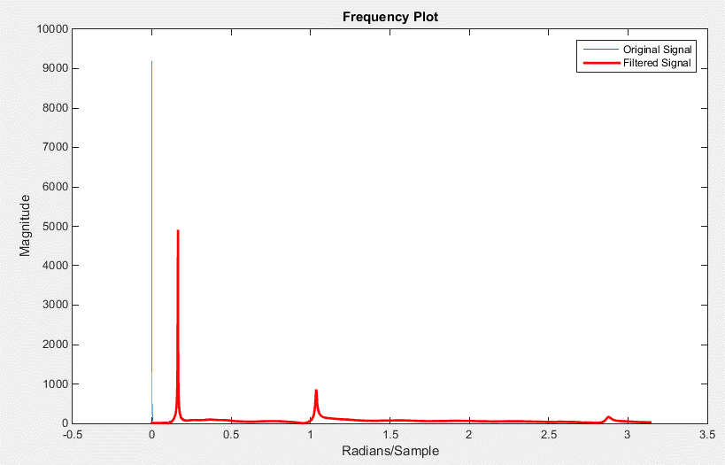
12.559856809
4.7421838351
-5.7925824181
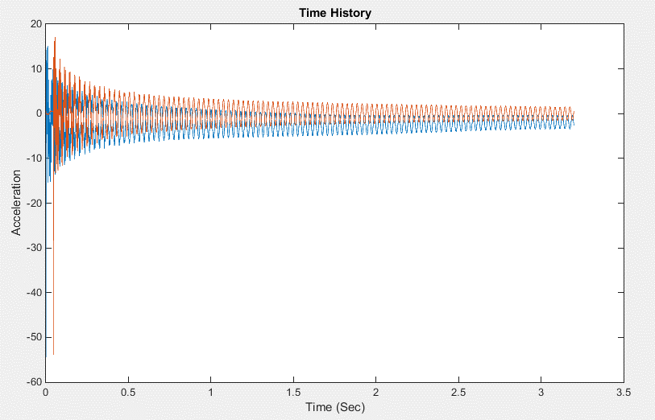
-1.7815835274
1.3797269074
15.460246475
16.097576441
10.411299688
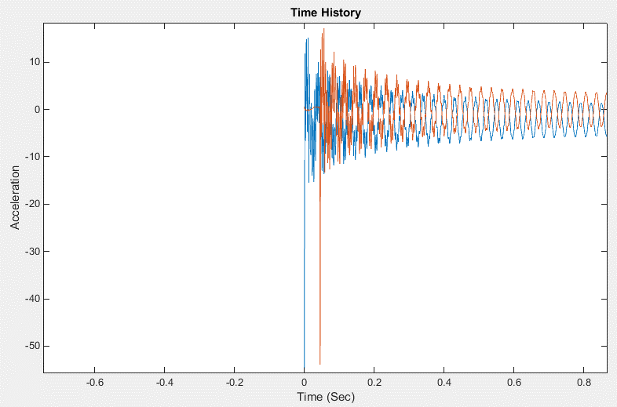
2.5342702536
-3.1285808684
6.8730717021
8.6740090932
17.100567076
0.8407623981
-4.7207498183
-13.264923478
3.4481812619
4.9863286125
10.038478245
3.1545691664
-5.8810674964
-6.6202147349
-7.0190725456
4.0739447482
...

LOC4 Test 3-Channel2
Filtered Data Shiffted
-6.9437347249
-49.861334261
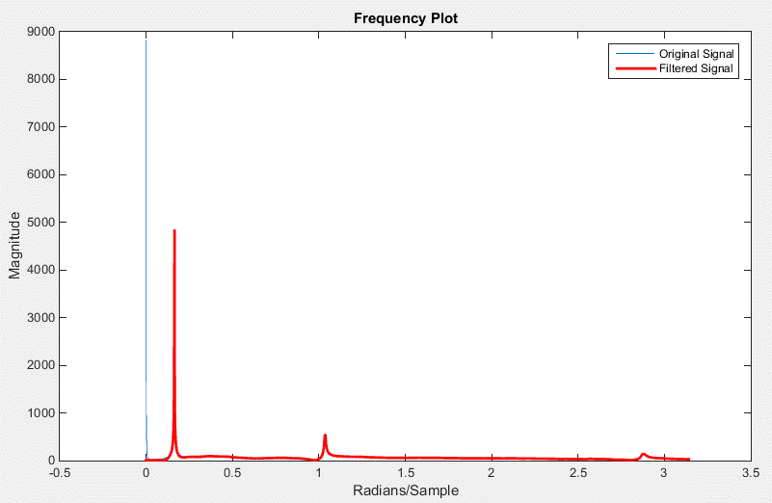
-5.7584282288
7.792279298
3.7116437625
-3.4679495563
2.3512987168
2.603755081
13.903094237
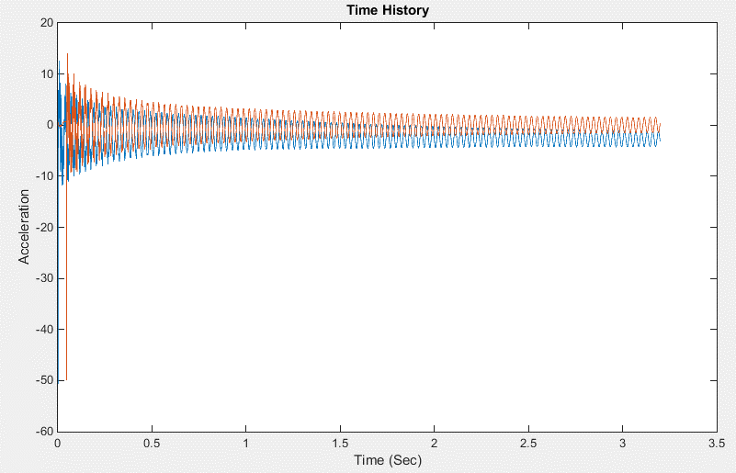
11.204805947
9.3675615631
2.9845800024
0.97616401167
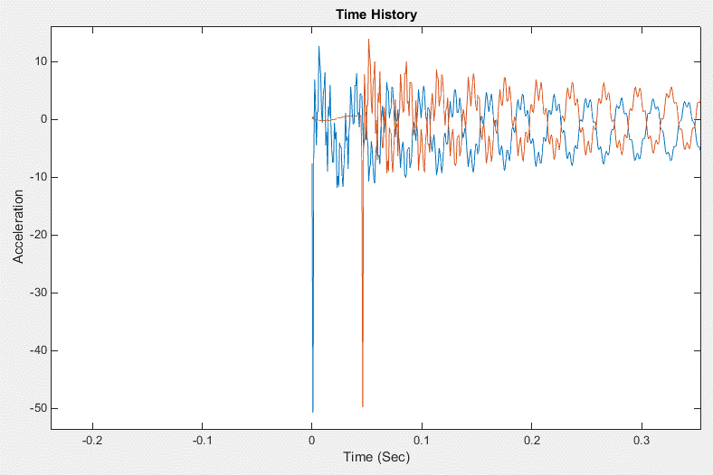
5.8975459122
7.3578320966
10.100673173
-2.4845700087
-0.097945104045
-6.9578672997
4.5241383757
2.8640899604
8.3089748029
1.4820971901
-2.8189567751
-4.8784526727
-4.7945292811
2.0353638447
-0.71428351799
...

LOC4 Test 4-Channel2
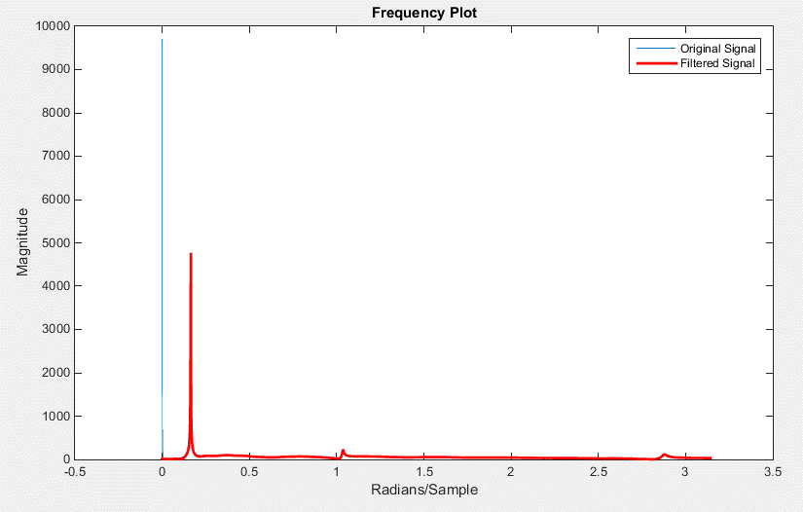
Filtered Data Shiffted
-25.315234704
-39.147320928
3.7797611656
1.7252765441
2.8628145746
0.18422727408
6.2160485624
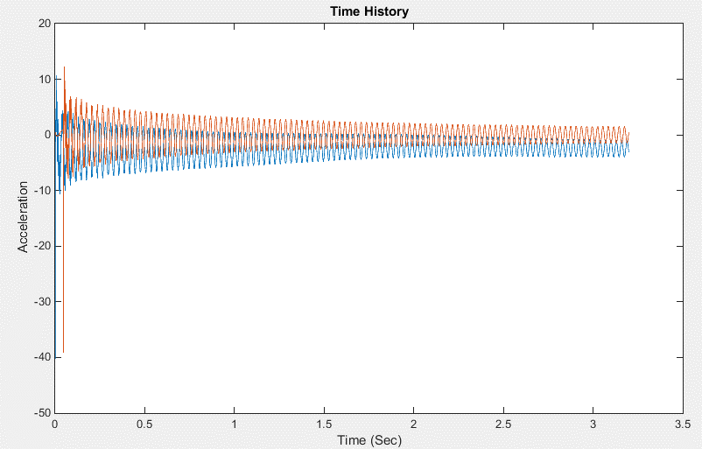
4.1796589524
12.276270596
5.5056867076
9.7629896361
2.466661675
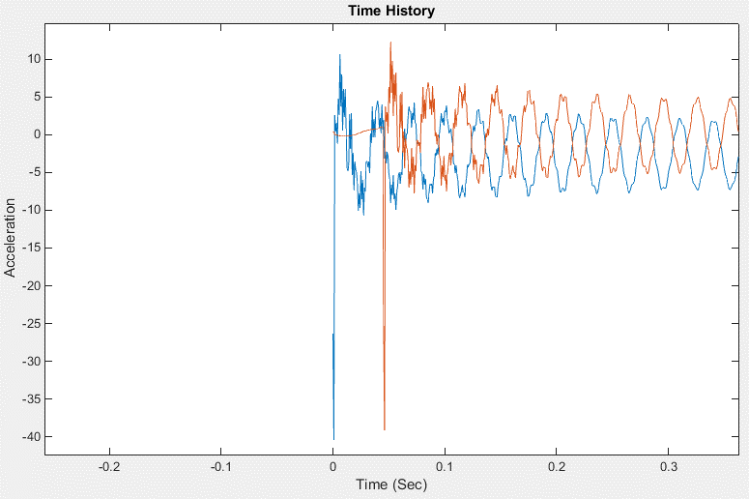
7.9866908968
4.4380026738
8.2006598791
3.1373621819
-2.0861506147
-2.3215480343
-1.4500051101
5.3560155128
0.85959759863
5.6371754666
-2.4324821899
0.38567148984
-4.3812369858
-0.53642187728
-1.6653337561
...

LOC4 Test 5-Channel2

Filtered Data Shiffted
-13.517611024
-46.242103349
-1.065530166
4.7159646983
3.2045569846
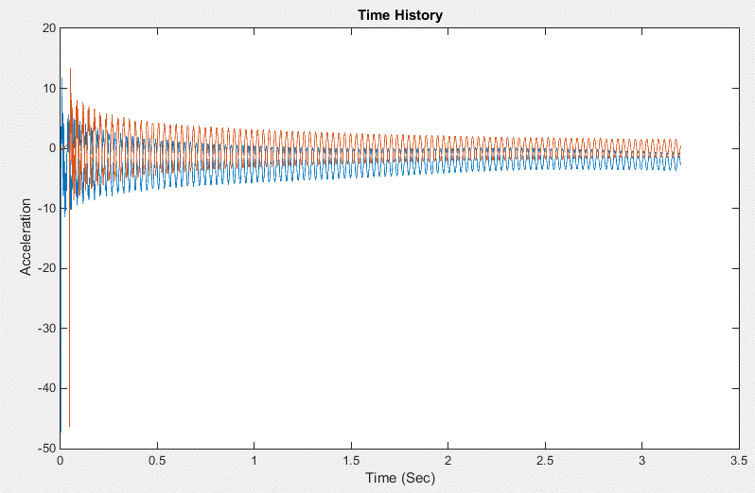
-2.2315782327
4.4474214805
3.097119837
13.306315824
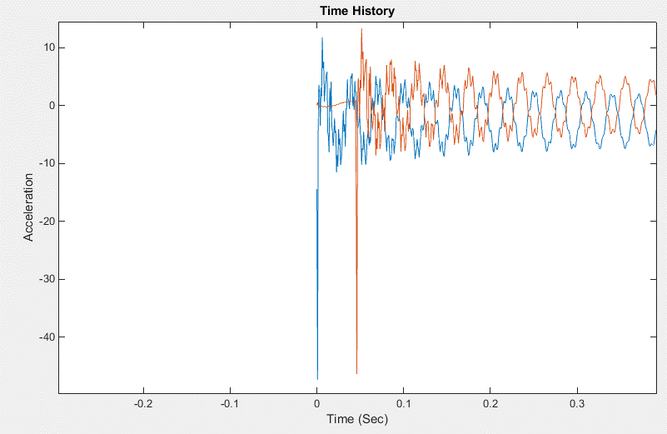
8.082372614
9.2980865497
2.5990949865
4.583746029
6.3194817732
7.5343370766
8.01914967
-2.2269252093
-2.8526204726
-5.6017522181
5.5781345518
1.6633387069
6.7648399109
-0.8595664963
-1.62183692
...

Input Channels
...
0.31656455506 | 0.51085251506 | 0.086496614057 | 0.26641036506 | 0.15004983506
0.38835779837 | 0.21568834837 | 0.50474176837 | 0.44599661837 | 0.48845509837
-0.016785682944 | -0.046027683944 | 0.15672646706 | 0.0079805820562 | 0.091214946056
0.018545239391 | 0.026500686891 | -0.030773084209 | 0.012159471791 | -0.013713132209
0 | 0.31656455506 | 0.51085251506 | 0.086496614057 | 0.26641036506 | 0.15004983506
0.00078125001 | 0.38835779837 | 0.21568834837 | 0.50474176837 | 0.44599661837 | 0.48845509837
0.0015625 | -0.016785682944 | -0.046027683944 | 0.15672646706 | 0.0079805820562 | 0.091214946056
0.0023437501 | 0.018545239391 | 0.026500686891 | -0.030773084209 | 0.012159471791 | -0.013713132209
0.003125 | -0.0070277180546 | -0.019518929055 | 0.023792158045 | 0.0012675959454 | 0.015469142945
0.00390625 | 0.0028344805806 | 0.0077096375806 | -0.013097779419 | 0.0013651305806 | -0.0071609834194
0.0046875002 | 1.3713812569E-05 | -0.0077465001874 | 0.0099734448126 | 0.0047824318126 | 0.0089976468126
0.0054687504 | -0.00038436313843 | 0.00058225786157 | -0.0038965761384 | 0.00072996586157 | -0.0016099971384
0.0062500006 | 0.0016585640771 | -0.0029651059229 | 0.0039964800771 | 0.0046272020771 | 0.0051316620771
0.0070312507 | -0.0013344632157 | -0.0035400462157 | 4.8825784286E-05 | 0.00097508378429 | 0.0012151307843
0.0078125009 | 0.000629200942 | -0.001566604058 | 0.000199693942 | 0.002811799942 | 0.001784558942
0.0085937511 | -0.0009134909867 | -0.0044411229867 | 0.0015634990133 | 0.0018464250133 | 0.0029133540133
0.0093750013 | 0.0041300053918 | 0.0043998423918 | 0.0037646673918 | 0.0055837193918 | 0.00083777539183
0.010156251 | 0.018265382719 | 0.014186813419 | 0.022142392769 | 0.022065341419 | 0.014846338819
0.010937502 | 0.024615462988 | 0.028981999488 | 0.024342030088 | 0.026561256488 | 0.023271353918
0.011718752 | 0.051024316282 | 0.056102168282 | 0.057612102282 | 0.056709364282 | 0.045078404282
0.012500002 | 0.070829655693 | 0.091098859693 | 0.080925006693 | 0.080774180693 | 0.071839022693
0.013281252 | 0.074264196276 | 0.071506539276 | 0.060458919276 | 0.076248986276 | 0.086426196276
0.014062502 | 0.024329854666 | 0.0047331391658 | 0.039980724166 | 0.029146322166 | 0.047600697166
0.014843753 | 0.0087424279195 | 0.010079541919 | 0.0070066029195 | 0.0096348129195 | 0.0085205309195
0.015625002 | 0.0093378492585 | 0.0012988412585 | 0.012474592259 | 0.012278307259 | 0.014108373759
0.016406251 | 0.0036830388199 | 0.0026006338199 | 0.0050099128199 | 0.0060414948199 | 0.0052740658199
0.0171875 | 0.0049802460981 | -0.00046712490187 | 0.0070741320981 | 0.0076533410981 | 0.0075175140981
0.01796875 | 0.0007236735985 | -0.0023061624015 | 0.0035052905985 | 0.0034233765985 | 0.0031371925985
0.018749999 | 0.0015059482576 | -0.0019849927424 | 0.0032352842576 | 0.0040368042576 | 0.0032044652576
0.019531248 | -0.00070048201389 | -0.0033519590139 | 0.0014096249861 | 0.0017953939861 | 0.0020731849861
0.020312497 | -0.00021934594428 | -0.0026785109443 | 2.3785055724E-05 | 0.0022640680557 | 0.0018151450557
0.021093747 | -0.00023028201837 | -0.0029141710184 | 0.00073194898163 | 0.0020473199816 | 0.0021882119816
0.021874996 | -0.0002662707768 | -0.0027593097768 | 0.0001993212232 | 0.0019807532232 | 0.0020552852232
0.022656245 | -0.00028658254301 | -0.002832212543 | 0.00043018645699 | 0.002072621457 | 0.002139369457
0.023437494 | -0.00032247998905 | -0.002979245989 | 0.00030955101095 | 0.001978779011 | 0.001919088011
0.024218744 | -0.00019073810693 | -0.0026839591069 | 0.00042136089307 | 0.0021287358931 | 0.0020920568931
0.024999993 | -0.00036516181896 | -0.002745774819 | 0.00016058218104 | 0.001847204181 | 0.001972307181
0.025781242 | -0.00030967624182 | -0.0029691992418 | 0.00033500575818 | 0.0020158587582 | 0.0020638597582
0.026562491 | -0.00042094025336 | -0.0029261372534 | 0.00026181774664 | 0.0020185657466 | 0.0021518527466
0.027343741 | -0.00034202916443 | -0.0028546501644 | 0.00033351983557 | 0.0020385018356 | 0.0020415988356
0.02812499 | -0.00027292739453 | -0.0028027923945 | 0.00042655760547 | 0.0019992946055 | 0.0020669386055
0.028906239 | -0.00037035102852 | -0.0029003910285 | 0.00035743597148 | 0.0020767189715 | 0.0021072309715
0.029687488 | -0.00033214201457 | -0.0028897660146 | 0.00045190898543 | 0.0020995039854 | 0.0021003539854
0.030468738 | -0.00038339758776 | -0.0030091945878 | 0.00022556441224 | 0.0019827804122 | 0.0020369554122
0.031249987 | -0.00035794501271 | -0.0029740260127 | 0.00025130198729 | 0.0020930559873 | 0.0020681509873
0.032031238 | -0.00018655221969 | -0.0027171632197 | 0.00043972478031 | 0.0021241687803 | 0.0021489287803
0.032812487 | -0.00029264479377 | -0.0029810357938 | 0.00023079820623 | 0.0019616442062 | 0.0019232532062
0.033593737 | -0.00027818257543 | -0.0028043275754 | 0.00035308842457 | 0.0020120474246 | 0.0020924324246
0.034374986 | -0.00031366807893 | -0.0029378530789 | 0.00015340692107 | 0.0020183339211 | 0.0020100189211
0.035156235 | -0.00028022450226 | -0.0028007765023 | 0.00020612249774 | 0.0020351234977 | 0.0020167124977
0.035937484 | -0.00035401562435 | -0.0029406236244 | 0.00023360237565 | 0.0019509263756 | 0.0020185713756
0.036718734 | -0.00021520580441 | -0.0028323508044 | 0.00023133719559 | 0.0020369301956 | 0.0020121401956
0.037499983 | -0.00019814356423 | -0.0027251675642 | 0.00035821243577 | 0.0022064124358 | 0.0021155004358
0.038281232 | -0.00029172660526 | -0.0029623986053 | 0.00034334239474 | 0.0020948933947 | 0.0021023103947
...
-0.0070277180546 | -0.019518929055 | 0.023792158045 | 0.0012675959454 | 0.015469142945
0.0028344805806 | 0.0077096375806 | -0.013097779419 | 0.0013651305806 | -0.0071609834194
1.3713812569E-05 | -0.0077465001874 | 0.0099734448126 | 0.0047824318126 | 0.0089976468126
-0.00038436313843 | 0.00058225786157 | -0.0038965761384 | 0.00072996586157 | -0.0016099971384
0.0016585640771 | -0.0029651059229 | 0.0039964800771 | 0.0046272020771 | 0.0051316620771
-0.0013344632157 | -0.0035400462157 | 4.8825784286E-05 | 0.00097508378429 | 0.0012151307843
0.000629200942 | -0.001566604058 | 0.000199693942 | 0.002811799942 | 0.001784558942
-0.0009134909867 | -0.0044411229867 | 0.0015634990133 | 0.0018464250133 | 0.0029133540133
0.0041300053918 | 0.0043998423918 | 0.0037646673918 | 0.0055837193918 | 0.00083777539183
0.018265382719 | 0.014186813419 | 0.022142392769 | 0.022065341419 | 0.014846338819
0.024615462988 | 0.028981999488 | 0.024342030088 | 0.026561256488 | 0.023271353918
0.051024316282 | 0.056102168282 | 0.057612102282 | 0.056709364282 | 0.045078404282
0.070829655693 | 0.091098859693 | 0.080925006693 | 0.080774180693 | 0.071839022693
0.074264196276 | 0.071506539276 | 0.060458919276 | 0.076248986276 | 0.086426196276
0.024329854666 | 0.0047331391658 | 0.039980724166 | 0.029146322166 | 0.047600697166
0.0087424279195 | 0.010079541919 | 0.0070066029195 | 0.0096348129195 | 0.0085205309195
0.0093378492585 | 0.0012988412585 | 0.012474592259 | 0.012278307259 | 0.014108373759
0.0036830388199 | 0.0026006338199 | 0.0050099128199 | 0.0060414948199 | 0.0052740658199
0.0049802460981 | -0.00046712490187 | 0.0070741320981 | 0.0076533410981 | 0.0075175140981
0.0007236735985 | -0.0023061624015 | 0.0035052905985 | 0.0034233765985 | 0.0031371925985
0.0015059482576 | -0.0019849927424 | 0.0032352842576 | 0.0040368042576 | 0.0032044652576
-0.00070048201389 | -0.0033519590139 | 0.0014096249861 | 0.0017953939861 | 0.0020731849861
-0.00021934594428 | -0.0026785109443 | 2.3785055724E-05 | 0.0022640680557 | 0.0018151450557
-0.00023028201837 | -0.0029141710184 | 0.00073194898163 | 0.0020473199816 | 0.0021882119816
-0.0002662707768 | -0.0027593097768 | 0.0001993212232 | 0.0019807532232 | 0.0020552852232
...

